Assumption
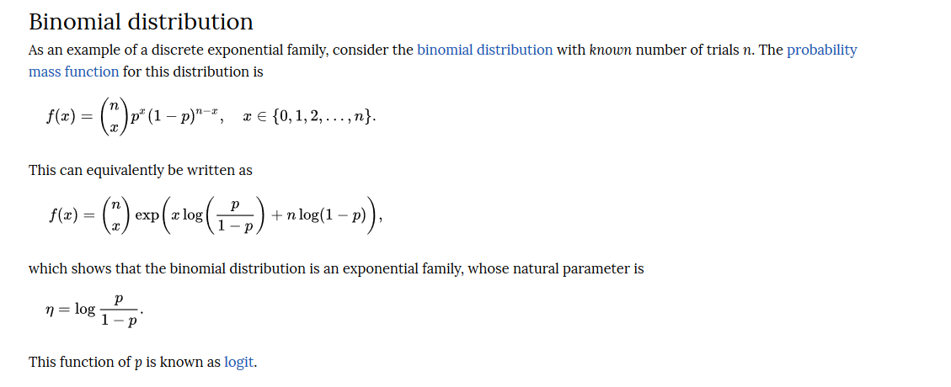

https://www.statisticssolutions.com/wp-content/uploads/wp-post-to-pdf-enhanced-cache/1/assumptions-of-logistic-regression.pdf

http://www.sthda.com/english/articles/36-classification-methods-essentials/148-logistic-regression-assumptions-and-diagnostics-in-r/

The logistic regression method assumes that:

The outcome is a binary or dichotomous variable like yes vs no, positive vs negative, 1 vs 0.
There is a linear relationship between the logit of the outcome and each predictor variables. Recall that the logit function is logit(p) = log(p/(1-p)), where p is the probabilities of the outcome (see Chapter @ref(logistic-regression)).
There is no influential values (extreme values or outliers) in the continuous predictors
There is no high intercorrelations (i.e. multicollinearity) among the predictors.

CostFunc
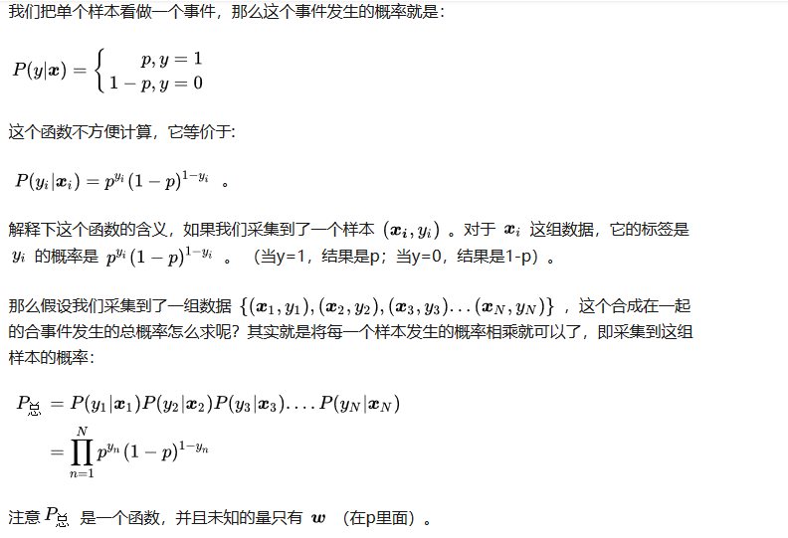
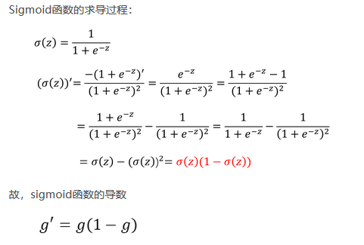
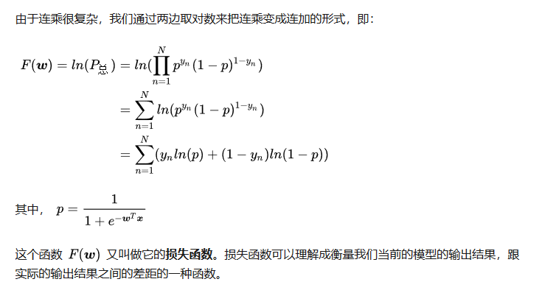
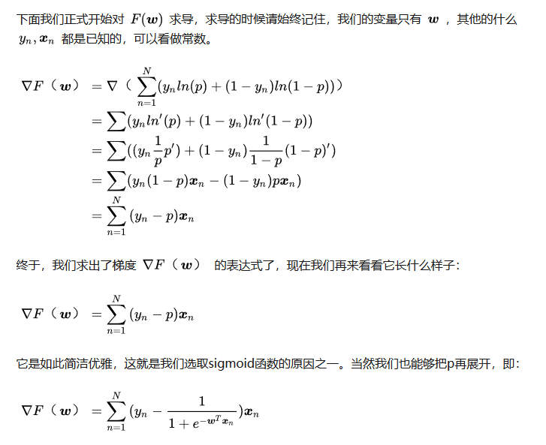
逻辑回归的损失函数使用的是对数损失函数 | http://www.win-vector.com/dfiles/LogisticRegressionMaxEnt.pdf

Evaluating
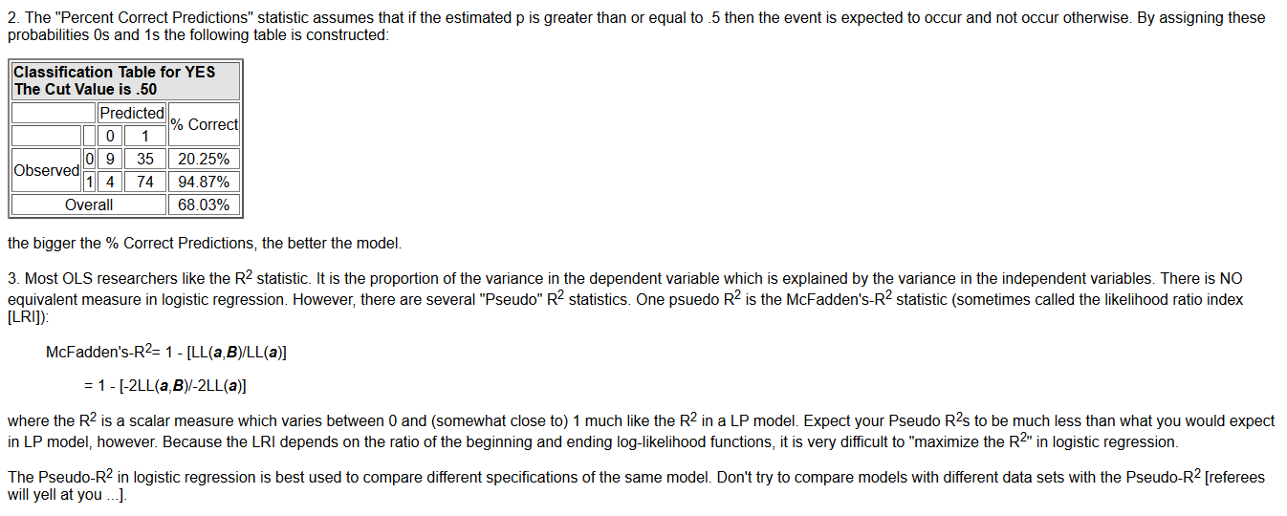
http://www.appstate.edu/~whiteheadjc/service/logit/intro.htm

Parameters Setting
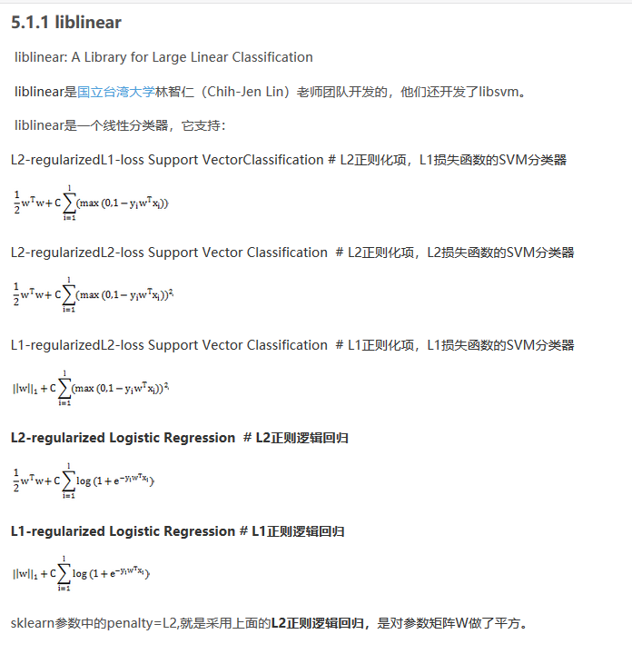

Implement BGD
 | 90.00%

pred | Y | X0 | X1 | X2 | X1_min/max | X2_min/max | p = 1/(1+exp{(-1)*(b*x)} | (-1)*LL | ∂LL/∂b0 = -(ya - yp)*x0 | ∂LL/∂b1 = -(ya - yp)*x1 | ∂LL/∂b2 = -(ya - yp)*x2
0 | 1 | 1 | 57 | 4 | 0.6912 | 0.3333 | 0.4698 | 0.7555 | -0.5302 | -0.3665 | -0.1767
0 | 0 | 1 | 73 | 5 | 0.9265 | 0.5000 | 0.1173 | 0.1247 | 0.1173 | 0.1087 | 0.0586
1 | 1 | 1 | 22 | 5 | 0.1765 | 0.5000 | 0.8408 | 0.1734 | -0.1592 | -0.0281 | -0.0796
0 | 0 | 1 | 59 | 4 | 0.7206 | 0.3333 | 0.4340 | 0.5692 | 0.4340 | 0.3128 | 0.1447
1 | 1 | 1 | 15 | 4 | 0.0735 | 0.3333 | 0.9484 | 0.0529 | -0.0516 | -0.0038 | -0.0172
1 | 1 | 1 | 36 | 2 | 0.3824 | 0.0000 | 0.9468 | 0.0546 | -0.0532 | -0.0203 | 0.0000
0 | 0 | 1 | 68 | 5 | 0.8529 | 0.5000 | 0.1601 | 0.1745 | 0.1601 | 0.1366 | 0.0801
0 | 0 | 1 | 49 | 5 | 0.5735 | 0.5000 | 0.4292 | 0.5606 | 0.4292 | 0.2461 | 0.2146
0 | 0 | 1 | 27 | 7 | 0.2500 | 0.8333 | 0.4550 | 0.6069 | 0.4550 | 0.1137 | 0.3791
1 | 1 | 1 | 59 | 3 | 0.7206 | 0.1667 | 0.6169 | 0.4830 | -0.3831 | -0.2760 | -0.0638
1 | 1 | 1 | 10 | 6 | 0.0000 | 0.6667 | 0.8568 | 0.1545 | -0.1432 | 0.0000 | -0.0955
0 | 0 | 1 | 78 | 8 | 1.0000 | 1.0000 | 0.0099 | 0.0099 | 0.0099 | 0.0099 | 0.0099
1 | 1 | 1 | 22 | 6 | 0.1765 | 0.6667 | 0.7156 | 0.3347 | -0.2844 | -0.0502 | -0.1896
1 | 1 | 1 | 36 | 4 | 0.3824 | 0.3333 | 0.8015 | 0.2213 | -0.1985 | -0.0759 | -0.0662
0 | 0 | 1 | 57 | 7 | 0.6912 | 0.8333 | 0.0873 | 0.0914 | 0.0873 | 0.0603 | 0.0728
0 | 0 | 1 | 73 | 8 | 0.9265 | 1.0000 | 0.0141 | 0.0142 | 0.0141 | 0.0131 | 0.0141
1 | 1 | 1 | 39 | 5 | 0.4265 | 0.5000 | 0.6075 | 0.4984 | -0.3925 | -0.1674 | -0.1962
0 | 0 | 1 | 71 | 7 | 0.8971 | 0.8333 | 0.0336 | 0.0342 | 0.0336 | 0.0302 | 0.0280
1 | 0 | 1 | 35 | 4 | 0.3676 | 0.3333 | 0.8127 | 1.6751 | 0.8127 | 0.2988 | 0.2709
1 | 1 | 1 | 44 | 5 | 0.5000 | 0.5000 | 0.5189 | 0.6560 | -0.4811 | -0.2405 | -0.2405
 |  |  |  |  |  |  | Total | 7.2452 | -0.1237 | 0.1014 | 0.1474

Learn Something
 | r | 0.0050 | iters | 2000
4.1611 | b0 | 4.7571
-3.9459 | b1 | -4.9106
-4.3743 | b2 | -4.4520

 | iter | b0 | b1 | b2 | b0_updated | b1_updated | b2_updated | (-1)*LL
 | 1 | 2.81194 | -3.18411 | -2.34824 | 2.8136 | -3.1857 | -2.3498 | 8.4495
 | 2 | 2.81357 | -3.18570 | -2.34979 | 2.8152 | -3.1873 | -2.3513 | 8.4479
 | 3 | 2.81521 | -3.18729 | -2.35133 | 2.8168 | -3.1889 | -2.3529 | 8.4464
 | 4 | 2.81684 | -3.18887 | -2.35288 | 2.8185 | -3.1905 | -2.3544 | 8.4449
 | 5 | 2.81848 | -3.19046 | -2.35442 | 2.8201 | -3.1920 | -2.3560 | 8.4434
 | 6 | 2.82011 | -3.19204 | -2.35596 | 2.8217 | -3.1936 | -2.3575 | 8.4419
 | 7 | 2.82174 | -3.19362 | -2.35751 | 2.8234 | -3.1952 | -2.3590 | 8.4404
 | 8 | 2.82337 | -3.19520 | -2.35905 | 2.8250 | -3.1968 | -2.3606 | 8.4389
 | 9 | 2.82500 | -3.19678 | -2.36059 | 2.8266 | -3.1984 | -2.3621 | 8.4374
 | 10 | 2.82662 | -3.19836 | -2.36213 | 2.8282 | -3.1999 | -2.3637 | 8.4359
 | 11 | 2.82825 | -3.19994 | -2.36367 | 2.8299 | -3.2015 | -2.3652 | 8.4344
 | 12 | 2.82987 | -3.20151 | -2.36520 | 2.8315 | -3.2031 | -2.3667 | 8.4329
 | 13 | 2.83150 | -3.20308 | -2.36674 | 2.8331 | -3.2047 | -2.3683 | 8.4314
 | 14 | 2.83312 | -3.20466 | -2.36828 | 2.8347 | -3.2062 | -2.3698 | 8.4299
 | 15 | 2.83474 | -3.20623 | -2.36981 | 2.8364 | -3.2078 | -2.3713 | 8.4284
 | 16 | 2.83636 | -3.20780 | -2.37135 | 2.8380 | -3.2094 | -2.3729 | 8.4269
 | 17 | 2.83798 | -3.20936 | -2.37288 | 2.8396 | -3.2109 | -2.3744 | 8.4254
 | 18 | 2.83959 | -3.21093 | -2.37442 | 2.8412 | -3.2125 | -2.3759 | 8.4239
 | 19 | 2.84121 | -3.21249 | -2.37595 | 2.8428 | -3.2141 | -2.3775 | 8.4225
 | 20 | 2.84282 | -3.21406 | -2.37748 | 2.8444 | -3.2156 | -2.3790 | 8.4210
 | 21 | 2.84443 | -3.21562 | -2.37901 | 2.8460 | -3.2172 | -2.3805 | 8.4195
 | 22 | 2.84605 | -3.21718 | -2.38054 | 2.8477 | -3.2187 | -2.3821 | 8.4180
 | 23 | 2.84766 | -3.21874 | -2.38207 | 2.8493 | -3.2203 | -2.3836 | 8.4166
 | 24 | 2.84927 | -3.22029 | -2.38360 | 2.8509 | -3.2218 | -2.3851 | 8.4151
 | 25 | 2.85087 | -3.22185 | -2.38512 | 2.8525 | -3.2234 | -2.3867 | 8.4136
 | 26 | 2.85248 | -3.22340 | -2.38665 | 2.8541 | -3.2250 | -2.3882 | 8.4122
 | 27 | 2.85409 | -3.22496 | -2.38818 | 2.8557 | -3.2265 | -2.3897 | 8.4107
 | 28 | 2.85569 | -3.22651 | -2.38970 | 2.8573 | -3.2281 | -2.3912 | 8.4092
 | 29 | 2.85729 | -3.22806 | -2.39123 | 2.8589 | -3.2296 | -2.3927 | 8.4078
 | 30 | 2.85889 | -3.22961 | -2.39275 | 2.8605 | -3.2312 | -2.3943 | 8.4063
 | 31 | 2.86049 | -3.23115 | -2.39427 | 2.8621 | -3.2327 | -2.3958 | 8.4049
 | 32 | 2.86209 | -3.23270 | -2.39579 | 2.8637 | -3.2342 | -2.3973 | 8.4034
 | 33 | 2.86369 | -3.23425 | -2.39731 | 2.8653 | -3.2358 | -2.3988 | 8.4020
 | 34 | 2.86529 | -3.23579 | -2.39883 | 2.8669 | -3.2373 | -2.4004 | 8.4005
 | 35 | 2.86688 | -3.23733 | -2.40035 | 2.8685 | -3.2389 | -2.4019 | 8.3991
 | 36 | 2.86848 | -3.23887 | -2.40187 | 2.8701 | -3.2404 | -2.4034 | 8.3976
 | 37 | 2.87007 | -3.24041 | -2.40339 | 2.8717 | -3.2419 | -2.4049 | 8.3962
 | 38 | 2.87166 | -3.24195 | -2.40491 | 2.8733 | -3.2435 | -2.4064 | 8.3947
 | 39 | 2.87325 | -3.24348 | -2.40642 | 2.8748 | -3.2450 | -2.4079 | 8.3933
 | 40 | 2.87484 | -3.24502 | -2.40794 | 2.8764 | -3.2465 | -2.4095 | 8.3919
 | 41 | 2.87643 | -3.24655 | -2.40945 | 2.8780 | -3.2481 | -2.4110 | 8.3904
 | 42 | 2.87802 | -3.24808 | -2.41097 | 2.8796 | -3.2496 | -2.4125 | 8.3890
 | 43 | 2.87960 | -3.24961 | -2.41248 | 2.8812 | -3.2511 | -2.4140 | 8.3876
 | 44 | 2.88119 | -3.25114 | -2.41399 | 2.8828 | -3.2527 | -2.4155 | 8.3862
 | 45 | 2.88277 | -3.25267 | -2.41551 | 2.8844 | -3.2542 | -2.4170 | 8.3847
 | 46 | 2.88435 | -3.25419 | -2.41702 | 2.8859 | -3.2557 | -2.4185 | 8.3833
 | 47 | 2.88593 | -3.25572 | -2.41853 | 2.8875 | -3.2572 | -2.4200 | 8.3819
 | 48 | 2.88751 | -3.25724 | -2.42003 | 2.8891 | -3.2588 | -2.4215 | 8.3805
 | 49 | 2.88909 | -3.25877 | -2.42154 | 2.8907 | -3.2603 | -2.4231 | 8.3791
 | 50 | 2.89067 | -3.26029 | -2.42305 | 2.8922 | -3.2618 | -2.4246 | 8.3776
 | 51 | 2.89224 | -3.26180 | -2.42456 | 2.8938 | -3.2633 | -2.4261 | 8.3762
 | 52 | 2.89382 | -3.26332 | -2.42606 | 2.8954 | -3.2648 | -2.4276 | 8.3748
 | 53 | 2.89539 | -3.26484 | -2.42757 | 2.8970 | -3.2664 | -2.4291 | 8.3734
 | 54 | 2.89696 | -3.26635 | -2.42907 | 2.8985 | -3.2679 | -2.4306 | 8.3720
 | 55 | 2.89853 | -3.26787 | -2.43058 | 2.9001 | -3.2694 | -2.4321 | 8.3706
 | 56 | 2.90010 | -3.26938 | -2.43208 | 2.9017 | -3.2709 | -2.4336 | 8.3692
 | 57 | 2.90167 | -3.27089 | -2.43358 | 2.9032 | -3.2724 | -2.4351 | 8.3678
 | 58 | 2.90324 | -3.27240 | -2.43508 | 2.9048 | -3.2739 | -2.4366 | 8.3664
 | 59 | 2.90481 | -3.27391 | -2.43658 | 2.9064 | -3.2754 | -2.4381 | 8.3650
 | 60 | 2.90637 | -3.27542 | -2.43808 | 2.9079 | -3.2769 | -2.4396 | 8.3636
 | 61 | 2.90794 | -3.27692 | -2.43958 | 2.9095 | -3.2784 | -2.4411 | 8.3622
 | 62 | 2.90950 | -3.27843 | -2.44108 | 2.9111 | -3.2799 | -2.4426 | 8.3608
 | 63 | 2.91106 | -3.27993 | -2.44258 | 2.9126 | -3.2814 | -2.4441 | 8.3594
 | 64 | 2.91262 | -3.28143 | -2.44408 | 2.9142 | -3.2829 | -2.4456 | 8.3581
 | 65 | 2.91418 | -3.28293 | -2.44557 | 2.9157 | -3.2844 | -2.4471 | 8.3567
 | 66 | 2.91574 | -3.28443 | -2.44707 | 2.9173 | -3.2859 | -2.4486 | 8.3553
 | 67 | 2.91729 | -3.28593 | -2.44856 | 2.9188 | -3.2874 | -2.4501 | 8.3539
 | 68 | 2.91885 | -3.28742 | -2.45006 | 2.9204 | -3.2889 | -2.4515 | 8.3525
 | 69 | 2.92040 | -3.28892 | -2.45155 | 2.9220 | -3.2904 | -2.4530 | 8.3512
 | 70 | 2.92196 | -3.29041 | -2.45304 | 2.9235 | -3.2919 | -2.4545 | 8.3498
 | 71 | 2.92351 | -3.29190 | -2.45453 | 2.9251 | -3.2934 | -2.4560 | 8.3484
 | 72 | 2.92506 | -3.29339 | -2.45602 | 2.9266 | -3.2949 | -2.4575 | 8.3471
 | 73 | 2.92661 | -3.29488 | -2.45751 | 2.9282 | -3.2964 | -2.4590 | 8.3457
 | 74 | 2.92816 | -3.29637 | -2.45900 | 2.9297 | -3.2979 | -2.4605 | 8.3443
 | 75 | 2.92971 | -3.29786 | -2.46049 | 2.9313 | -3.2993 | -2.4620 | 8.3430
 | 76 | 2.93125 | -3.29934 | -2.46198 | 2.9328 | -3.3008 | -2.4635 | 8.3416
 | 77 | 2.93280 | -3.30083 | -2.46346 | 2.9343 | -3.3023 | -2.4650 | 8.3402
 | 78 | 2.93434 | -3.30231 | -2.46495 | 2.9359 | -3.3038 | -2.4664 | 8.3389
 | 79 | 2.93588 | -3.30379 | -2.46644 | 2.9374 | -3.3053 | -2.4679 | 8.3375
 | 80 | 2.93743 | -3.30527 | -2.46792 | 2.9390 | -3.3068 | -2.4694 | 8.3362
 | 81 | 2.93897 | -3.30675 | -2.46940 | 2.9405 | -3.3082 | -2.4709 | 8.3348
 | 82 | 2.94051 | -3.30823 | -2.47089 | 2.9420 | -3.3097 | -2.4724 | 8.3335
 | 83 | 2.94204 | -3.30970 | -2.47237 | 2.9436 | -3.3112 | -2.4739 | 8.3321
 | 84 | 2.94358 | -3.31118 | -2.47385 | 2.9451 | -3.3127 | -2.4753 | 8.3308
 | 85 | 2.94512 | -3.31265 | -2.47533 | 2.9467 | -3.3141 | -2.4768 | 8.3294
 | 86 | 2.94665 | -3.31413 | -2.47681 | 2.9482 | -3.3156 | -2.4783 | 8.3281
 | 87 | 2.94818 | -3.31560 | -2.47829 | 2.9497 | -3.3171 | -2.4798 | 8.3267
 | 88 | 2.94972 | -3.31707 | -2.47977 | 2.9512 | -3.3185 | -2.4812 | 8.3254
 | 89 | 2.95125 | -3.31853 | -2.48125 | 2.9528 | -3.3200 | -2.4827 | 8.3241
 | 90 | 2.95278 | -3.32000 | -2.48273 | 2.9543 | -3.3215 | -2.4842 | 8.3227
 | 91 | 2.95431 | -3.32147 | -2.48420 | 2.9558 | -3.3229 | -2.4857 | 8.3214
 | 92 | 2.95584 | -3.32293 | -2.48568 | 2.9574 | -3.3244 | -2.4872 | 8.3201
 | 93 | 2.95736 | -3.32439 | -2.48715 | 2.9589 | -3.3259 | -2.4886 | 8.3187
 | 94 | 2.95889 | -3.32586 | -2.48863 | 2.9604 | -3.3273 | -2.4901 | 8.3174
 | 95 | 2.96041 | -3.32732 | -2.49010 | 2.9619 | -3.3288 | -2.4916 | 8.3161
 | 96 | 2.96194 | -3.32878 | -2.49157 | 2.9635 | -3.3302 | -2.4930 | 8.3148
 | 97 | 2.96346 | -3.33023 | -2.49304 | 2.9650 | -3.3317 | -2.4945 | 8.3134
 | 98 | 2.96498 | -3.33169 | -2.49452 | 2.9665 | -3.3331 | -2.4960 | 8.3121
 | 99 | 2.96650 | -3.33315 | -2.49599 | 2.9680 | -3.3346 | -2.4975 | 8.3108
 | 100 | 2.96802 | -3.33460 | -2.49746 | 2.9695 | -3.3361 | -2.4989 | 8.3095
 | 101 | 2.96953 | -3.33605 | -2.49892 | 2.9711 | -3.3375 | -2.5004 | 8.3082
 | 102 | 2.97105 | -3.33750 | -2.50039 | 2.9726 | -3.3390 | -2.5019 | 8.3069
 | 103 | 2.97257 | -3.33895 | -2.50186 | 2.9741 | -3.3404 | -2.5033 | 8.3056
 | 104 | 2.97408 | -3.34040 | -2.50333 | 2.9756 | -3.3419 | -2.5048 | 8.3043
 | 105 | 2.97559 | -3.34185 | -2.50479 | 2.9771 | -3.3433 | -2.5063 | 8.3029
 | 106 | 2.97711 | -3.34330 | -2.50626 | 2.9786 | -3.3447 | -2.5077 | 8.3016
 | 107 | 2.97862 | -3.34474 | -2.50772 | 2.9801 | -3.3462 | -2.5092 | 8.3003
 | 108 | 2.98013 | -3.34619 | -2.50919 | 2.9816 | -3.3476 | -2.5106 | 8.2990
 | 109 | 2.98164 | -3.34763 | -2.51065 | 2.9831 | -3.3491 | -2.5121 | 8.2977
 | 110 | 2.98314 | -3.34907 | -2.51211 | 2.9846 | -3.3505 | -2.5136 | 8.2964
 | 111 | 2.98465 | -3.35051 | -2.51357 | 2.9862 | -3.3519 | -2.5150 | 8.2951
 | 112 | 2.98616 | -3.35195 | -2.51503 | 2.9877 | -3.3534 | -2.5165 | 8.2938
 | 113 | 2.98766 | -3.35339 | -2.51649 | 2.9892 | -3.3548 | -2.5180 | 8.2926
 | 114 | 2.98916 | -3.35482 | -2.51795 | 2.9907 | -3.3563 | -2.5194 | 8.2913
 | 115 | 2.99066 | -3.35626 | -2.51941 | 2.9922 | -3.3577 | -2.5209 | 8.2900
 | 116 | 2.99217 | -3.35769 | -2.52087 | 2.9937 | -3.3591 | -2.5223 | 8.2887
 | 117 | 2.99367 | -3.35913 | -2.52233 | 2.9952 | -3.3606 | -2.5238 | 8.2874
 | 118 | 2.99516 | -3.36056 | -2.52378 | 2.9967 | -3.3620 | -2.5252 | 8.2861
 | 119 | 2.99666 | -3.36199 | -2.52524 | 2.9982 | -3.3634 | -2.5267 | 8.2848
 | 120 | 2.99816 | -3.36342 | -2.52669 | 2.9997 | -3.3648 | -2.5281 | 8.2836
 | 121 | 2.99965 | -3.36484 | -2.52815 | 3.0011 | -3.3663 | -2.5296 | 8.2823
 | 122 | 3.00115 | -3.36627 | -2.52960 | 3.0026 | -3.3677 | -2.5311 | 8.2810
 | 123 | 3.00264 | -3.36769 | -2.53105 | 3.0041 | -3.3691 | -2.5325 | 8.2797
 | 124 | 3.00413 | -3.36912 | -2.53251 | 3.0056 | -3.3705 | -2.5340 | 8.2785
 | 125 | 3.00563 | -3.37054 | -2.53396 | 3.0071 | -3.3720 | -2.5354 | 8.2772
 | 126 | 3.00712 | -3.37196 | -2.53541 | 3.0086 | -3.3734 | -2.5369 | 8.2759
 | 127 | 3.00860 | -3.37338 | -2.53686 | 3.0101 | -3.3748 | -2.5383 | 8.2747
 | 128 | 3.01009 | -3.37480 | -2.53831 | 3.0116 | -3.3762 | -2.5398 | 8.2734
 | 129 | 3.01158 | -3.37622 | -2.53976 | 3.0131 | -3.3776 | -2.5412 | 8.2721
 | 130 | 3.01307 | -3.37764 | -2.54120 | 3.0145 | -3.3791 | -2.5427 | 8.2709
 | 131 | 3.01455 | -3.37905 | -2.54265 | 3.0160 | -3.3805 | -2.5441 | 8.2696
 | 132 | 3.01603 | -3.38047 | -2.54410 | 3.0175 | -3.3819 | -2.5455 | 8.2684
 | 133 | 3.01752 | -3.38188 | -2.54554 | 3.0190 | -3.3833 | -2.5470 | 8.2671
 | 134 | 3.01900 | -3.38329 | -2.54699 | 3.0205 | -3.3847 | -2.5484 | 8.2658
 | 135 | 3.02048 | -3.38470 | -2.54843 | 3.0220 | -3.3861 | -2.5499 | 8.2646
 | 136 | 3.02196 | -3.38611 | -2.54988 | 3.0234 | -3.3875 | -2.5513 | 8.2633
 | 137 | 3.02344 | -3.38752 | -2.55132 | 3.0249 | -3.3889 | -2.5528 | 8.2621
 | 138 | 3.02491 | -3.38892 | -2.55276 | 3.0264 | -3.3903 | -2.5542 | 8.2608
 | 139 | 3.02639 | -3.39033 | -2.55420 | 3.0279 | -3.3917 | -2.5556 | 8.2596
 | 140 | 3.02786 | -3.39173 | -2.55564 | 3.0293 | -3.3931 | -2.5571 | 8.2584
 | 141 | 3.02934 | -3.39314 | -2.55708 | 3.0308 | -3.3945 | -2.5585 | 8.2571
 | 142 | 3.03081 | -3.39454 | -2.55852 | 3.0323 | -3.3959 | -2.5600 | 8.2559
 | 143 | 3.03228 | -3.39594 | -2.55996 | 3.0338 | -3.3973 | -2.5614 | 8.2546
 | 144 | 3.03375 | -3.39734 | -2.56140 | 3.0352 | -3.3987 | -2.5628 | 8.2534
 | 145 | 3.03522 | -3.39874 | -2.56284 | 3.0367 | -3.4001 | -2.5643 | 8.2522
 | 146 | 3.03669 | -3.40013 | -2.56427 | 3.0382 | -3.4015 | -2.5657 | 8.2509
 | 147 | 3.03816 | -3.40153 | -2.56571 | 3.0396 | -3.4029 | -2.5671 | 8.2497
 | 148 | 3.03963 | -3.40293 | -2.56714 | 3.0411 | -3.4043 | -2.5686 | 8.2485
 | 149 | 3.04109 | -3.40432 | -2.56858 | 3.0426 | -3.4057 | -2.5700 | 8.2472
 | 150 | 3.04256 | -3.40571 | -2.57001 | 3.0440 | -3.4071 | -2.5714 | 8.2460
 | 151 | 3.04402 | -3.40710 | -2.57144 | 3.0455 | -3.4085 | -2.5729 | 8.2448
 | 152 | 3.04548 | -3.40849 | -2.57288 | 3.0469 | -3.4099 | -2.5743 | 8.2436
 | 153 | 3.04694 | -3.40988 | -2.57431 | 3.0484 | -3.4113 | -2.5757 | 8.2423
 | 154 | 3.04840 | -3.41127 | -2.57574 | 3.0499 | -3.4127 | -2.5772 | 8.2411
 | 155 | 3.04986 | -3.41266 | -2.57717 | 3.0513 | -3.4140 | -2.5786 | 8.2399
 | 156 | 3.05132 | -3.41404 | -2.57860 | 3.0528 | -3.4154 | -2.5800 | 8.2387
 | 157 | 3.05278 | -3.41542 | -2.58003 | 3.0542 | -3.4168 | -2.5815 | 8.2375
 | 158 | 3.05423 | -3.41681 | -2.58146 | 3.0557 | -3.4182 | -2.5829 | 8.2362
 | 159 | 3.05569 | -3.41819 | -2.58288 | 3.0571 | -3.4196 | -2.5843 | 8.2350
 | 160 | 3.05714 | -3.41957 | -2.58431 | 3.0586 | -3.4209 | -2.5857 | 8.2338
 | 161 | 3.05860 | -3.42095 | -2.58574 | 3.0600 | -3.4223 | -2.5872 | 8.2326
 | 162 | 3.06005 | -3.42233 | -2.58716 | 3.0615 | -3.4237 | -2.5886 | 8.2314
 | 163 | 3.06150 | -3.42370 | -2.58859 | 3.0629 | -3.4251 | -2.5900 | 8.2302
 | 164 | 3.06295 | -3.42508 | -2.59001 | 3.0644 | -3.4265 | -2.5914 | 8.2290
 | 165 | 3.06440 | -3.42645 | -2.59143 | 3.0658 | -3.4278 | -2.5929 | 8.2278
 | 166 | 3.06585 | -3.42783 | -2.59285 | 3.0673 | -3.4292 | -2.5943 | 8.2266
 | 167 | 3.06729 | -3.42920 | -2.59428 | 3.0687 | -3.4306 | -2.5957 | 8.2254
 | 168 | 3.06874 | -3.43057 | -2.59570 | 3.0702 | -3.4319 | -2.5971 | 8.2242
 | 169 | 3.07018 | -3.43194 | -2.59712 | 3.0716 | -3.4333 | -2.5985 | 8.2230
 | 170 | 3.07163 | -3.43331 | -2.59854 | 3.0731 | -3.4347 | -2.6000 | 8.2218
 | 171 | 3.07307 | -3.43468 | -2.59996 | 3.0745 | -3.4360 | -2.6014 | 8.2206
 | 172 | 3.07451 | -3.43605 | -2.60138 | 3.0760 | -3.4374 | -2.6028 | 8.2194
 | 173 | 3.07595 | -3.43741 | -2.60279 | 3.0774 | -3.4388 | -2.6042 | 8.2182
 | 174 | 3.07739 | -3.43878 | -2.60421 | 3.0788 | -3.4401 | -2.6056 | 8.2170
 | 175 | 3.07883 | -3.44014 | -2.60563 | 3.0803 | -3.4415 | -2.6070 | 8.2159
 | 176 | 3.08027 | -3.44150 | -2.60704 | 3.0817 | -3.4429 | -2.6085 | 8.2147
 | 177 | 3.08171 | -3.44286 | -2.60846 | 3.0831 | -3.4442 | -2.6099 | 8.2135
 | 178 | 3.08314 | -3.44422 | -2.60987 | 3.0846 | -3.4456 | -2.6113 | 8.2123
 | 179 | 3.08458 | -3.44558 | -2.61129 | 3.0860 | -3.4469 | -2.6127 | 8.2111
 | 180 | 3.08601 | -3.44694 | -2.61270 | 3.0874 | -3.4483 | -2.6141 | 8.2099
 | 181 | 3.08744 | -3.44829 | -2.61411 | 3.0889 | -3.4496 | -2.6155 | 8.2088
 | 182 | 3.08887 | -3.44965 | -2.61552 | 3.0903 | -3.4510 | -2.6169 | 8.2076
 | 183 | 3.09030 | -3.45100 | -2.61693 | 3.0917 | -3.4524 | -2.6183 | 8.2064
 | 184 | 3.09173 | -3.45236 | -2.61834 | 3.0932 | -3.4537 | -2.6198 | 8.2052
 | 185 | 3.09316 | -3.45371 | -2.61975 | 3.0946 | -3.4551 | -2.6212 | 8.2041
 | 186 | 3.09459 | -3.45506 | -2.62116 | 3.0960 | -3.4564 | -2.6226 | 8.2029
 | 187 | 3.09602 | -3.45641 | -2.62257 | 3.0974 | -3.4578 | -2.6240 | 8.2017
 | 188 | 3.09744 | -3.45776 | -2.62398 | 3.0989 | -3.4591 | -2.6254 | 8.2006
 | 189 | 3.09887 | -3.45910 | -2.62538 | 3.1003 | -3.4604 | -2.6268 | 8.1994
 | 190 | 3.10029 | -3.46045 | -2.62679 | 3.1017 | -3.4618 | -2.6282 | 8.1982
 | 191 | 3.10171 | -3.46179 | -2.62820 | 3.1031 | -3.4631 | -2.6296 | 8.1971
 | 192 | 3.10313 | -3.46314 | -2.62960 | 3.1046 | -3.4645 | -2.6310 | 8.1959
 | 193 | 3.10456 | -3.46448 | -2.63100 | 3.1060 | -3.4658 | -2.6324 | 8.1948
 | 194 | 3.10598 | -3.46582 | -2.63241 | 3.1074 | -3.4672 | -2.6338 | 8.1936
 | 195 | 3.10739 | -3.46716 | -2.63381 | 3.1088 | -3.4685 | -2.6352 | 8.1925
 | 196 | 3.10881 | -3.46850 | -2.63521 | 3.1102 | -3.4698 | -2.6366 | 8.1913
 | 197 | 3.11023 | -3.46984 | -2.63661 | 3.1116 | -3.4712 | -2.6380 | 8.1902
 | 198 | 3.11164 | -3.47118 | -2.63802 | 3.1131 | -3.4725 | -2.6394 | 8.1890
 | 199 | 3.11306 | -3.47251 | -2.63942 | 3.1145 | -3.4738 | -2.6408 | 8.1879
 | 200 | 3.11447 | -3.47385 | -2.64081 | 3.1159 | -3.4752 | -2.6422 | 8.1867
 | 201 | 3.11589 | -3.47518 | -2.64221 | 3.1173 | -3.4765 | -2.6436 | 8.1856
 | 202 | 3.11730 | -3.47651 | -2.64361 | 3.1187 | -3.4778 | -2.6450 | 8.1844
 | 203 | 3.11871 | -3.47785 | -2.64501 | 3.1201 | -3.4792 | -2.6464 | 8.1833
 | 204 | 3.12012 | -3.47918 | -2.64641 | 3.1215 | -3.4805 | -2.6478 | 8.1821
 | 205 | 3.12153 | -3.48051 | -2.64780 | 3.1229 | -3.4818 | -2.6492 | 8.1810
 | 206 | 3.12293 | -3.48183 | -2.64920 | 3.1243 | -3.4832 | -2.6506 | 8.1799
 | 207 | 3.12434 | -3.48316 | -2.65059 | 3.1257 | -3.4845 | -2.6520 | 8.1787
 | 208 | 3.12575 | -3.48449 | -2.65199 | 3.1272 | -3.4858 | -2.6534 | 8.1776
 | 209 | 3.12715 | -3.48581 | -2.65338 | 3.1286 | -3.4871 | -2.6548 | 8.1764
 | 210 | 3.12856 | -3.48714 | -2.65477 | 3.1300 | -3.4885 | -2.6562 | 8.1753
 | 211 | 3.12996 | -3.48846 | -2.65616 | 3.1314 | -3.4898 | -2.6576 | 8.1742
 | 212 | 3.13136 | -3.48978 | -2.65756 | 3.1328 | -3.4911 | -2.6589 | 8.1731
 | 213 | 3.13276 | -3.49110 | -2.65895 | 3.1342 | -3.4924 | -2.6603 | 8.1719
 | 214 | 3.13416 | -3.49242 | -2.66034 | 3.1356 | -3.4937 | -2.6617 | 8.1708
 | 215 | 3.13556 | -3.49374 | -2.66173 | 3.1370 | -3.4951 | -2.6631 | 8.1697
 | 216 | 3.13696 | -3.49506 | -2.66312 | 3.1384 | -3.4964 | -2.6645 | 8.1685
 | 217 | 3.13836 | -3.49637 | -2.66450 | 3.1398 | -3.4977 | -2.6659 | 8.1674
 | 218 | 3.13975 | -3.49769 | -2.66589 | 3.1411 | -3.4990 | -2.6673 | 8.1663
 | 219 | 3.14115 | -3.49900 | -2.66728 | 3.1425 | -3.5003 | -2.6687 | 8.1652
 | 220 | 3.14254 | -3.50032 | -2.66866 | 3.1439 | -3.5016 | -2.6701 | 8.1641
 | 221 | 3.14394 | -3.50163 | -2.67005 | 3.1453 | -3.5029 | -2.6714 | 8.1630
 | 222 | 3.14533 | -3.50294 | -2.67143 | 3.1467 | -3.5043 | -2.6728 | 8.1618
 | 223 | 3.14672 | -3.50425 | -2.67282 | 3.1481 | -3.5056 | -2.6742 | 8.1607
 | 224 | 3.14811 | -3.50556 | -2.67420 | 3.1495 | -3.5069 | -2.6756 | 8.1596
 | 225 | 3.14950 | -3.50687 | -2.67559 | 3.1509 | -3.5082 | -2.6770 | 8.1585
 | 226 | 3.15089 | -3.50817 | -2.67697 | 3.1523 | -3.5095 | -2.6783 | 8.1574
 | 227 | 3.15228 | -3.50948 | -2.67835 | 3.1537 | -3.5108 | -2.6797 | 8.1563
 | 228 | 3.15367 | -3.51078 | -2.67973 | 3.1551 | -3.5121 | -2.6811 | 8.1552
 | 229 | 3.15505 | -3.51209 | -2.68111 | 3.1564 | -3.5134 | -2.6825 | 8.1541
 | 230 | 3.15644 | -3.51339 | -2.68249 | 3.1578 | -3.5147 | -2.6839 | 8.1530
 | 231 | 3.15782 | -3.51469 | -2.68387 | 3.1592 | -3.5160 | -2.6852 | 8.1519
 | 232 | 3.15920 | -3.51599 | -2.68525 | 3.1606 | -3.5173 | -2.6866 | 8.1508
 | 233 | 3.16059 | -3.51729 | -2.68663 | 3.1620 | -3.5186 | -2.6880 | 8.1497
 | 234 | 3.16197 | -3.51859 | -2.68800 | 3.1633 | -3.5199 | -2.6894 | 8.1486
 | 235 | 3.16335 | -3.51989 | -2.68938 | 3.1647 | -3.5212 | -2.6908 | 8.1475
 | 236 | 3.16473 | -3.52118 | -2.69076 | 3.1661 | -3.5225 | -2.6921 | 8.1464
 | 237 | 3.16610 | -3.52248 | -2.69213 | 3.1675 | -3.5238 | -2.6935 | 8.1453
 | 238 | 3.16748 | -3.52377 | -2.69351 | 3.1689 | -3.5251 | -2.6949 | 8.1442
 | 239 | 3.16886 | -3.52506 | -2.69488 | 3.1702 | -3.5264 | -2.6963 | 8.1431
 | 240 | 3.17023 | -3.52636 | -2.69625 | 3.1716 | -3.5276 | -2.6976 | 8.1420
 | 241 | 3.17161 | -3.52765 | -2.69763 | 3.1730 | -3.5289 | -2.6990 | 8.1409
 | 242 | 3.17298 | -3.52894 | -2.69900 | 3.1744 | -3.5302 | -2.7004 | 8.1398
 | 243 | 3.17436 | -3.53023 | -2.70037 | 3.1757 | -3.5315 | -2.7017 | 8.1388
 | 244 | 3.17573 | -3.53151 | -2.70174 | 3.1771 | -3.5328 | -2.7031 | 8.1377
 | 245 | 3.17710 | -3.53280 | -2.70311 | 3.1785 | -3.5341 | -2.7045 | 8.1366
 | 246 | 3.17847 | -3.53409 | -2.70448 | 3.1798 | -3.5354 | -2.7058 | 8.1355
 | 247 | 3.17984 | -3.53537 | -2.70585 | 3.1812 | -3.5367 | -2.7072 | 8.1344
 | 248 | 3.18121 | -3.53665 | -2.70722 | 3.1826 | -3.5379 | -2.7086 | 8.1334
 | 249 | 3.18257 | -3.53794 | -2.70858 | 3.1839 | -3.5392 | -2.7100 | 8.1323
 | 250 | 3.18394 | -3.53922 | -2.70995 | 3.1853 | -3.5405 | -2.7113 | 8.1312
 | 251 | 3.18530 | -3.54050 | -2.71132 | 3.1867 | -3.5418 | -2.7127 | 8.1301
 | 252 | 3.18667 | -3.54178 | -2.71268 | 3.1880 | -3.5431 | -2.7140 | 8.1291
 | 253 | 3.18803 | -3.54306 | -2.71405 | 3.1894 | -3.5443 | -2.7154 | 8.1280
 | 254 | 3.18940 | -3.54433 | -2.71541 | 3.1908 | -3.5456 | -2.7168 | 8.1269
 | 255 | 3.19076 | -3.54561 | -2.71678 | 3.1921 | -3.5469 | -2.7181 | 8.1258
 | 256 | 3.19212 | -3.54689 | -2.71814 | 3.1935 | -3.5482 | -2.7195 | 8.1248
 | 257 | 3.19348 | -3.54816 | -2.71950 | 3.1948 | -3.5494 | -2.7209 | 8.1237
 | 258 | 3.19484 | -3.54943 | -2.72086 | 3.1962 | -3.5507 | -2.7222 | 8.1227
 | 259 | 3.19620 | -3.55071 | -2.72222 | 3.1976 | -3.5520 | -2.7236 | 8.1216
 | 260 | 3.19755 | -3.55198 | -2.72358 | 3.1989 | -3.5532 | -2.7249 | 8.1205
 | 261 | 3.19891 | -3.55325 | -2.72494 | 3.2003 | -3.5545 | -2.7263 | 8.1195
 | 262 | 3.20026 | -3.55452 | -2.72630 | 3.2016 | -3.5558 | -2.7277 | 8.1184
 | 263 | 3.20162 | -3.55578 | -2.72766 | 3.2030 | -3.5571 | -2.7290 | 8.1173
 | 264 | 3.20297 | -3.55705 | -2.72902 | 3.2043 | -3.5583 | -2.7304 | 8.1163
 | 265 | 3.20433 | -3.55832 | -2.73038 | 3.2057 | -3.5596 | -2.7317 | 8.1152
 | 266 | 3.20568 | -3.55958 | -2.73174 | 3.2070 | -3.5608 | -2.7331 | 8.1142
 | 267 | 3.20703 | -3.56085 | -2.73309 | 3.2084 | -3.5621 | -2.7344 | 8.1131
 | 268 | 3.20838 | -3.56211 | -2.73445 | 3.2097 | -3.5634 | -2.7358 | 8.1121
 | 269 | 3.20973 | -3.56337 | -2.73580 | 3.2111 | -3.5646 | -2.7372 | 8.1110
 | 270 | 3.21108 | -3.56463 | -2.73716 | 3.2124 | -3.5659 | -2.7385 | 8.1100
 | 271 | 3.21242 | -3.56589 | -2.73851 | 3.2138 | -3.5672 | -2.7399 | 8.1089
 | 272 | 3.21377 | -3.56715 | -2.73986 | 3.2151 | -3.5684 | -2.7412 | 8.1079
 | 273 | 3.21511 | -3.56841 | -2.74122 | 3.2165 | -3.5697 | -2.7426 | 8.1068
 | 274 | 3.21646 | -3.56967 | -2.74257 | 3.2178 | -3.5709 | -2.7439 | 8.1058
 | 275 | 3.21780 | -3.57093 | -2.74392 | 3.2191 | -3.5722 | -2.7453 | 8.1048
 | 276 | 3.21915 | -3.57218 | -2.74527 | 3.2205 | -3.5734 | -2.7466 | 8.1037
 | 277 | 3.22049 | -3.57343 | -2.74662 | 3.2218 | -3.5747 | -2.7480 | 8.1027
 | 278 | 3.22183 | -3.57469 | -2.74797 | 3.2232 | -3.5759 | -2.7493 | 8.1016
 | 279 | 3.22317 | -3.57594 | -2.74932 | 3.2245 | -3.5772 | -2.7507 | 8.1006
 | 280 | 3.22451 | -3.57719 | -2.75067 | 3.2258 | -3.5784 | -2.7520 | 8.0996
 | 281 | 3.22585 | -3.57844 | -2.75201 | 3.2272 | -3.5797 | -2.7534 | 8.0985
 | 282 | 3.22718 | -3.57969 | -2.75336 | 3.2285 | -3.5809 | -2.7547 | 8.0975
 | 283 | 3.22852 | -3.58094 | -2.75471 | 3.2299 | -3.5822 | -2.7561 | 8.0965
 | 284 | 3.22986 | -3.58219 | -2.75605 | 3.2312 | -3.5834 | -2.7574 | 8.0954
 | 285 | 3.23119 | -3.58343 | -2.75740 | 3.2325 | -3.5847 | -2.7587 | 8.0944
 | 286 | 3.23253 | -3.58468 | -2.75874 | 3.2339 | -3.5859 | -2.7601 | 8.0934
 | 287 | 3.23386 | -3.58592 | -2.76008 | 3.2352 | -3.5872 | -2.7614 | 8.0924
 | 288 | 3.23519 | -3.58717 | -2.76143 | 3.2365 | -3.5884 | -2.7628 | 8.0913
 | 289 | 3.23652 | -3.58841 | -2.76277 | 3.2379 | -3.5896 | -2.7641 | 8.0903
 | 290 | 3.23785 | -3.58965 | -2.76411 | 3.2392 | -3.5909 | -2.7655 | 8.0893
 | 291 | 3.23918 | -3.59089 | -2.76545 | 3.2405 | -3.5921 | -2.7668 | 8.0883
 | 292 | 3.24051 | -3.59213 | -2.76679 | 3.2418 | -3.5934 | -2.7681 | 8.0873
 | 293 | 3.24184 | -3.59337 | -2.76813 | 3.2432 | -3.5946 | -2.7695 | 8.0862
 | 294 | 3.24317 | -3.59461 | -2.76947 | 3.2445 | -3.5958 | -2.7708 | 8.0852
 | 295 | 3.24449 | -3.59584 | -2.77081 | 3.2458 | -3.5971 | -2.7722 | 8.0842
 | 296 | 3.24582 | -3.59708 | -2.77215 | 3.2471 | -3.5983 | -2.7735 | 8.0832
 | 297 | 3.24714 | -3.59831 | -2.77349 | 3.2485 | -3.5995 | -2.7748 | 8.0822
 | 298 | 3.24847 | -3.59955 | -2.77483 | 3.2498 | -3.6008 | -2.7762 | 8.0812
 | 299 | 3.24979 | -3.60078 | -2.77616 | 3.2511 | -3.6020 | -2.7775 | 8.0802
 | 300 | 3.25111 | -3.60201 | -2.77750 | 3.2524 | -3.6032 | -2.7788 | 8.0791
 | 301 | 3.25243 | -3.60324 | -2.77883 | 3.2538 | -3.6045 | -2.7802 | 8.0781
 | 302 | 3.25375 | -3.60447 | -2.78017 | 3.2551 | -3.6057 | -2.7815 | 8.0771
 | 303 | 3.25507 | -3.60570 | -2.78150 | 3.2564 | -3.6069 | -2.7828 | 8.0761
 | 304 | 3.25639 | -3.60693 | -2.78284 | 3.2577 | -3.6082 | -2.7842 | 8.0751
 | 305 | 3.25771 | -3.60815 | -2.78417 | 3.2590 | -3.6094 | -2.7855 | 8.0741
 | 306 | 3.25902 | -3.60938 | -2.78550 | 3.2603 | -3.6106 | -2.7868 | 8.0731
 | 307 | 3.26034 | -3.61060 | -2.78683 | 3.2617 | -3.6118 | -2.7882 | 8.0721
 | 308 | 3.26166 | -3.61183 | -2.78816 | 3.2630 | -3.6131 | -2.7895 | 8.0711
 | 309 | 3.26297 | -3.61305 | -2.78949 | 3.2643 | -3.6143 | -2.7908 | 8.0701
 | 310 | 3.26428 | -3.61427 | -2.79082 | 3.2656 | -3.6155 | -2.7922 | 8.0691
 | 311 | 3.26560 | -3.61550 | -2.79215 | 3.2669 | -3.6167 | -2.7935 | 8.0681
 | 312 | 3.26691 | -3.61672 | -2.79348 | 3.2682 | -3.6179 | -2.7948 | 8.0671
 | 313 | 3.26822 | -3.61793 | -2.79481 | 3.2695 | -3.6192 | -2.7961 | 8.0661
 | 314 | 3.26953 | -3.61915 | -2.79614 | 3.2708 | -3.6204 | -2.7975 | 8.0651
 | 315 | 3.27084 | -3.62037 | -2.79746 | 3.2721 | -3.6216 | -2.7988 | 8.0642
 | 316 | 3.27215 | -3.62159 | -2.79879 | 3.2735 | -3.6228 | -2.8001 | 8.0632
 | 317 | 3.27345 | -3.62280 | -2.80012 | 3.2748 | -3.6240 | -2.8014 | 8.0622
 | 318 | 3.27476 | -3.62402 | -2.80144 | 3.2761 | -3.6252 | -2.8028 | 8.0612
 | 319 | 3.27607 | -3.62523 | -2.80277 | 3.2774 | -3.6264 | -2.8041 | 8.0602
 | 320 | 3.27737 | -3.62644 | -2.80409 | 3.2787 | -3.6277 | -2.8054 | 8.0592
 | 321 | 3.27867 | -3.62766 | -2.80541 | 3.2800 | -3.6289 | -2.8067 | 8.0582
 | 322 | 3.27998 | -3.62887 | -2.80674 | 3.2813 | -3.6301 | -2.8081 | 8.0572
 | 323 | 3.28128 | -3.63008 | -2.80806 | 3.2826 | -3.6313 | -2.8094 | 8.0563
 | 324 | 3.28258 | -3.63128 | -2.80938 | 3.2839 | -3.6325 | -2.8107 | 8.0553
 | 325 | 3.28388 | -3.63249 | -2.81070 | 3.2852 | -3.6337 | -2.8120 | 8.0543
 | 326 | 3.28518 | -3.63370 | -2.81202 | 3.2865 | -3.6349 | -2.8133 | 8.0533
 | 327 | 3.28648 | -3.63491 | -2.81334 | 3.2878 | -3.6361 | -2.8147 | 8.0524
 | 328 | 3.28778 | -3.63611 | -2.81466 | 3.2891 | -3.6373 | -2.8160 | 8.0514
 | 329 | 3.28908 | -3.63732 | -2.81598 | 3.2904 | -3.6385 | -2.8173 | 8.0504
 | 330 | 3.29037 | -3.63852 | -2.81730 | 3.2917 | -3.6397 | -2.8186 | 8.0494
 | 331 | 3.29167 | -3.63972 | -2.81861 | 3.2930 | -3.6409 | -2.8199 | 8.0485
 | 332 | 3.29296 | -3.64092 | -2.81993 | 3.2943 | -3.6421 | -2.8212 | 8.0475
 | 333 | 3.29426 | -3.64212 | -2.82125 | 3.2956 | -3.6433 | -2.8226 | 8.0465
 | 334 | 3.29555 | -3.64332 | -2.82256 | 3.2968 | -3.6445 | -2.8239 | 8.0456
 | 335 | 3.29684 | -3.64452 | -2.82388 | 3.2981 | -3.6457 | -2.8252 | 8.0446
 | 336 | 3.29813 | -3.64572 | -2.82519 | 3.2994 | -3.6469 | -2.8265 | 8.0436
 | 337 | 3.29943 | -3.64692 | -2.82650 | 3.3007 | -3.6481 | -2.8278 | 8.0427
 | 338 | 3.30072 | -3.64811 | -2.82782 | 3.3020 | -3.6493 | -2.8291 | 8.0417
 | 339 | 3.30200 | -3.64931 | -2.82913 | 3.3033 | -3.6505 | -2.8304 | 8.0407
 | 340 | 3.30329 | -3.65050 | -2.83044 | 3.3046 | -3.6517 | -2.8318 | 8.0398
 | 341 | 3.30458 | -3.65170 | -2.83175 | 3.3059 | -3.6529 | -2.8331 | 8.0388
 | 342 | 3.30587 | -3.65289 | -2.83307 | 3.3072 | -3.6541 | -2.8344 | 8.0378
 | 343 | 3.30715 | -3.65408 | -2.83438 | 3.3084 | -3.6553 | -2.8357 | 8.0369
 | 344 | 3.30844 | -3.65527 | -2.83569 | 3.3097 | -3.6565 | -2.8370 | 8.0359
 | 345 | 3.30972 | -3.65646 | -2.83699 | 3.3110 | -3.6576 | -2.8383 | 8.0350
 | 346 | 3.31101 | -3.65765 | -2.83830 | 3.3123 | -3.6588 | -2.8396 | 8.0340
 | 347 | 3.31229 | -3.65884 | -2.83961 | 3.3136 | -3.6600 | -2.8409 | 8.0331
 | 348 | 3.31357 | -3.66002 | -2.84092 | 3.3149 | -3.6612 | -2.8422 | 8.0321
 | 349 | 3.31485 | -3.66121 | -2.84223 | 3.3161 | -3.6624 | -2.8435 | 8.0312
 | 350 | 3.31613 | -3.66239 | -2.84353 | 3.3174 | -3.6636 | -2.8448 | 8.0302
 | 351 | 3.31741 | -3.66358 | -2.84484 | 3.3187 | -3.6648 | -2.8461 | 8.0293
 | 352 | 3.31869 | -3.66476 | -2.84614 | 3.3200 | -3.6659 | -2.8474 | 8.0283
 | 353 | 3.31997 | -3.66594 | -2.84745 | 3.3212 | -3.6671 | -2.8488 | 8.0274
 | 354 | 3.32124 | -3.66713 | -2.84875 | 3.3225 | -3.6683 | -2.8501 | 8.0264
 | 355 | 3.32252 | -3.66831 | -2.85005 | 3.3238 | -3.6695 | -2.8514 | 8.0255
 | 356 | 3.32379 | -3.66949 | -2.85136 | 3.3251 | -3.6707 | -2.8527 | 8.0245
 | 357 | 3.32507 | -3.67067 | -2.85266 | 3.3263 | -3.6718 | -2.8540 | 8.0236
 | 358 | 3.32634 | -3.67184 | -2.85396 | 3.3276 | -3.6730 | -2.8553 | 8.0227
 | 359 | 3.32762 | -3.67302 | -2.85526 | 3.3289 | -3.6742 | -2.8566 | 8.0217
 | 360 | 3.32889 | -3.67420 | -2.85656 | 3.3302 | -3.6754 | -2.8579 | 8.0208
 | 361 | 3.33016 | -3.67537 | -2.85786 | 3.3314 | -3.6765 | -2.8592 | 8.0198
 | 362 | 3.33143 | -3.67655 | -2.85916 | 3.3327 | -3.6777 | -2.8605 | 8.0189
 | 363 | 3.33270 | -3.67772 | -2.86046 | 3.3340 | -3.6789 | -2.8618 | 8.0180
 | 364 | 3.33397 | -3.67889 | -2.86176 | 3.3352 | -3.6801 | -2.8631 | 8.0170
 | 365 | 3.33524 | -3.68006 | -2.86306 | 3.3365 | -3.6812 | -2.8644 | 8.0161
 | 366 | 3.33650 | -3.68124 | -2.86435 | 3.3378 | -3.6824 | -2.8656 | 8.0152
 | 367 | 3.33777 | -3.68241 | -2.86565 | 3.3390 | -3.6836 | -2.8669 | 8.0142
 | 368 | 3.33904 | -3.68357 | -2.86695 | 3.3403 | -3.6847 | -2.8682 | 8.0133
 | 369 | 3.34030 | -3.68474 | -2.86824 | 3.3416 | -3.6859 | -2.8695 | 8.0124
 | 370 | 3.34157 | -3.68591 | -2.86954 | 3.3428 | -3.6871 | -2.8708 | 8.0115
 | 371 | 3.34283 | -3.68708 | -2.87083 | 3.3441 | -3.6882 | -2.8721 | 8.0105
 | 372 | 3.34409 | -3.68824 | -2.87212 | 3.3454 | -3.6894 | -2.8734 | 8.0096
 | 373 | 3.34535 | -3.68941 | -2.87342 | 3.3466 | -3.6906 | -2.8747 | 8.0087
 | 374 | 3.34661 | -3.69057 | -2.87471 | 3.3479 | -3.6917 | -2.8760 | 8.0078
 | 375 | 3.34787 | -3.69173 | -2.87600 | 3.3491 | -3.6929 | -2.8773 | 8.0068
 | 376 | 3.34913 | -3.69290 | -2.87729 | 3.3504 | -3.6941 | -2.8786 | 8.0059
 | 377 | 3.35039 | -3.69406 | -2.87858 | 3.3517 | -3.6952 | -2.8799 | 8.0050
 | 378 | 3.35165 | -3.69522 | -2.87987 | 3.3529 | -3.6964 | -2.8812 | 8.0041
 | 379 | 3.35291 | -3.69638 | -2.88116 | 3.3542 | -3.6975 | -2.8825 | 8.0032
 | 380 | 3.35416 | -3.69754 | -2.88245 | 3.3554 | -3.6987 | -2.8837 | 8.0023
 | 381 | 3.35542 | -3.69869 | -2.88374 | 3.3567 | -3.6999 | -2.8850 | 8.0013
 | 382 | 3.35667 | -3.69985 | -2.88503 | 3.3579 | -3.7010 | -2.8863 | 8.0004
 | 383 | 3.35793 | -3.70101 | -2.88632 | 3.3592 | -3.7022 | -2.8876 | 7.9995
 | 384 | 3.35918 | -3.70216 | -2.88760 | 3.3604 | -3.7033 | -2.8889 | 7.9986
 | 385 | 3.36043 | -3.70332 | -2.88889 | 3.3617 | -3.7045 | -2.8902 | 7.9977
 | 386 | 3.36169 | -3.70447 | -2.89017 | 3.3629 | -3.7056 | -2.8915 | 7.9968
 | 387 | 3.36294 | -3.70562 | -2.89146 | 3.3642 | -3.7068 | -2.8927 | 7.9959
 | 388 | 3.36419 | -3.70677 | -2.89274 | 3.3654 | -3.7079 | -2.8940 | 7.9950
 | 389 | 3.36544 | -3.70793 | -2.89403 | 3.3667 | -3.7091 | -2.8953 | 7.9941
 | 390 | 3.36668 | -3.70908 | -2.89531 | 3.3679 | -3.7102 | -2.8966 | 7.9931
 | 391 | 3.36793 | -3.71022 | -2.89660 | 3.3692 | -3.7114 | -2.8979 | 7.9922
 | 392 | 3.36918 | -3.71137 | -2.89788 | 3.3704 | -3.7125 | -2.8992 | 7.9913
 | 393 | 3.37043 | -3.71252 | -2.89916 | 3.3717 | -3.7137 | -2.9004 | 7.9904
 | 394 | 3.37167 | -3.71367 | -2.90044 | 3.3729 | -3.7148 | -2.9017 | 7.9895
 | 395 | 3.37292 | -3.71481 | -2.90172 | 3.3742 | -3.7160 | -2.9030 | 7.9886
 | 396 | 3.37416 | -3.71596 | -2.90300 | 3.3754 | -3.7171 | -2.9043 | 7.9877
 | 397 | 3.37540 | -3.71710 | -2.90428 | 3.3766 | -3.7182 | -2.9056 | 7.9868
 | 398 | 3.37664 | -3.71825 | -2.90556 | 3.3779 | -3.7194 | -2.9068 | 7.9859
 | 399 | 3.37789 | -3.71939 | -2.90684 | 3.3791 | -3.7205 | -2.9081 | 7.9850
 | 400 | 3.37913 | -3.72053 | -2.90812 | 3.3804 | -3.7217 | -2.9094 | 7.9842
 | 401 | 3.38037 | -3.72167 | -2.90939 | 3.3816 | -3.7228 | -2.9107 | 7.9833
 | 402 | 3.38161 | -3.72281 | -2.91067 | 3.3828 | -3.7239 | -2.9119 | 7.9824
 | 403 | 3.38285 | -3.72395 | -2.91195 | 3.3841 | -3.7251 | -2.9132 | 7.9815
 | 404 | 3.38408 | -3.72509 | -2.91322 | 3.3853 | -3.7262 | -2.9145 | 7.9806
 | 405 | 3.38532 | -3.72622 | -2.91450 | 3.3866 | -3.7274 | -2.9158 | 7.9797
 | 406 | 3.38656 | -3.72736 | -2.91577 | 3.3878 | -3.7285 | -2.9170 | 7.9788
 | 407 | 3.38779 | -3.72850 | -2.91705 | 3.3890 | -3.7296 | -2.9183 | 7.9779
 | 408 | 3.38903 | -3.72963 | -2.91832 | 3.3903 | -3.7308 | -2.9196 | 7.9770
 | 409 | 3.39026 | -3.73077 | -2.91959 | 3.3915 | -3.7319 | -2.9209 | 7.9761
 | 410 | 3.39149 | -3.73190 | -2.92086 | 3.3927 | -3.7330 | -2.9221 | 7.9753
 | 411 | 3.39273 | -3.73303 | -2.92214 | 3.3940 | -3.7342 | -2.9234 | 7.9744
 | 412 | 3.39396 | -3.73416 | -2.92341 | 3.3952 | -3.7353 | -2.9247 | 7.9735
 | 413 | 3.39519 | -3.73529 | -2.92468 | 3.3964 | -3.7364 | -2.9259 | 7.9726
 | 414 | 3.39642 | -3.73642 | -2.92595 | 3.3976 | -3.7376 | -2.9272 | 7.9717
 | 415 | 3.39765 | -3.73755 | -2.92722 | 3.3989 | -3.7387 | -2.9285 | 7.9709
 | 416 | 3.39888 | -3.73868 | -2.92849 | 3.4001 | -3.7398 | -2.9298 | 7.9700
 | 417 | 3.40011 | -3.73981 | -2.92976 | 3.4013 | -3.7409 | -2.9310 | 7.9691
 | 418 | 3.40133 | -3.74094 | -2.93102 | 3.4026 | -3.7421 | -2.9323 | 7.9682
 | 419 | 3.40256 | -3.74206 | -2.93229 | 3.4038 | -3.7432 | -2.9336 | 7.9673
 | 420 | 3.40379 | -3.74319 | -2.93356 | 3.4050 | -3.7443 | -2.9348 | 7.9665
 | 421 | 3.40501 | -3.74431 | -2.93483 | 3.4062 | -3.7454 | -2.9361 | 7.9656
 | 422 | 3.40624 | -3.74543 | -2.93609 | 3.4075 | -3.7466 | -2.9374 | 7.9647
 | 423 | 3.40746 | -3.74656 | -2.93736 | 3.4087 | -3.7477 | -2.9386 | 7.9639
 | 424 | 3.40868 | -3.74768 | -2.93862 | 3.4099 | -3.7488 | -2.9399 | 7.9630
 | 425 | 3.40990 | -3.74880 | -2.93989 | 3.4111 | -3.7499 | -2.9411 | 7.9621
 | 426 | 3.41113 | -3.74992 | -2.94115 | 3.4123 | -3.7510 | -2.9424 | 7.9612
 | 427 | 3.41235 | -3.75104 | -2.94241 | 3.4136 | -3.7522 | -2.9437 | 7.9604
 | 428 | 3.41357 | -3.75216 | -2.94367 | 3.4148 | -3.7533 | -2.9449 | 7.9595
 | 429 | 3.41479 | -3.75327 | -2.94494 | 3.4160 | -3.7544 | -2.9462 | 7.9586
 | 430 | 3.41600 | -3.75439 | -2.94620 | 3.4172 | -3.7555 | -2.9475 | 7.9578
 | 431 | 3.41722 | -3.75551 | -2.94746 | 3.4184 | -3.7566 | -2.9487 | 7.9569
 | 432 | 3.41844 | -3.75662 | -2.94872 | 3.4197 | -3.7577 | -2.9500 | 7.9561
 | 433 | 3.41966 | -3.75774 | -2.94998 | 3.4209 | -3.7589 | -2.9512 | 7.9552
 | 434 | 3.42087 | -3.75885 | -2.95124 | 3.4221 | -3.7600 | -2.9525 | 7.9543
 | 435 | 3.42209 | -3.75996 | -2.95250 | 3.4233 | -3.7611 | -2.9538 | 7.9535
 | 436 | 3.42330 | -3.76107 | -2.95376 | 3.4245 | -3.7622 | -2.9550 | 7.9526
 | 437 | 3.42451 | -3.76219 | -2.95501 | 3.4257 | -3.7633 | -2.9563 | 7.9518
 | 438 | 3.42573 | -3.76330 | -2.95627 | 3.4269 | -3.7644 | -2.9575 | 7.9509
 | 439 | 3.42694 | -3.76441 | -2.95753 | 3.4281 | -3.7655 | -2.9588 | 7.9500
 | 440 | 3.42815 | -3.76551 | -2.95878 | 3.4294 | -3.7666 | -2.9600 | 7.9492
 | 441 | 3.42936 | -3.76662 | -2.96004 | 3.4306 | -3.7677 | -2.9613 | 7.9483
 | 442 | 3.43057 | -3.76773 | -2.96129 | 3.4318 | -3.7688 | -2.9625 | 7.9475
 | 443 | 3.43178 | -3.76884 | -2.96255 | 3.4330 | -3.7699 | -2.9638 | 7.9466
 | 444 | 3.43299 | -3.76994 | -2.96380 | 3.4342 | -3.7710 | -2.9651 | 7.9458
 | 445 | 3.43419 | -3.77105 | -2.96506 | 3.4354 | -3.7722 | -2.9663 | 7.9449
 | 446 | 3.43540 | -3.77215 | -2.96631 | 3.4366 | -3.7733 | -2.9676 | 7.9441
 | 447 | 3.43661 | -3.77325 | -2.96756 | 3.4378 | -3.7744 | -2.9688 | 7.9432
 | 448 | 3.43781 | -3.77436 | -2.96881 | 3.4390 | -3.7755 | -2.9701 | 7.9424
 | 449 | 3.43902 | -3.77546 | -2.97006 | 3.4402 | -3.7766 | -2.9713 | 7.9415
 | 450 | 3.44022 | -3.77656 | -2.97131 | 3.4414 | -3.7777 | -2.9726 | 7.9407
 | 451 | 3.44142 | -3.77766 | -2.97257 | 3.4426 | -3.7788 | -2.9738 | 7.9399
 | 452 | 3.44263 | -3.77876 | -2.97381 | 3.4438 | -3.7799 | -2.9751 | 7.9390
 | 453 | 3.44383 | -3.77986 | -2.97506 | 3.4450 | -3.7810 | -2.9763 | 7.9382
 | 454 | 3.44503 | -3.78095 | -2.97631 | 3.4462 | -3.7821 | -2.9776 | 7.9373
 | 455 | 3.44623 | -3.78205 | -2.97756 | 3.4474 | -3.7831 | -2.9788 | 7.9365
 | 456 | 3.44743 | -3.78315 | -2.97881 | 3.4486 | -3.7842 | -2.9801 | 7.9356
 | 457 | 3.44863 | -3.78424 | -2.98006 | 3.4498 | -3.7853 | -2.9813 | 7.9348
 | 458 | 3.44982 | -3.78534 | -2.98130 | 3.4510 | -3.7864 | -2.9825 | 7.9340
 | 459 | 3.45102 | -3.78643 | -2.98255 | 3.4522 | -3.7875 | -2.9838 | 7.9331
 | 460 | 3.45222 | -3.78752 | -2.98379 | 3.4534 | -3.7886 | -2.9850 | 7.9323
 | 461 | 3.45342 | -3.78862 | -2.98504 | 3.4546 | -3.7897 | -2.9863 | 7.9315
 | 462 | 3.45461 | -3.78971 | -2.98628 | 3.4558 | -3.7908 | -2.9875 | 7.9306
 | 463 | 3.45581 | -3.79080 | -2.98753 | 3.4570 | -3.7919 | -2.9888 | 7.9298
 | 464 | 3.45700 | -3.79189 | -2.98877 | 3.4582 | -3.7930 | -2.9900 | 7.9290
 | 465 | 3.45819 | -3.79298 | -2.99001 | 3.4594 | -3.7941 | -2.9913 | 7.9281
 | 466 | 3.45938 | -3.79407 | -2.99126 | 3.4606 | -3.7952 | -2.9925 | 7.9273
 | 467 | 3.46058 | -3.79515 | -2.99250 | 3.4618 | -3.7962 | -2.9937 | 7.9265
 | 468 | 3.46177 | -3.79624 | -2.99374 | 3.4630 | -3.7973 | -2.9950 | 7.9257
 | 469 | 3.46296 | -3.79733 | -2.99498 | 3.4641 | -3.7984 | -2.9962 | 7.9248
 | 470 | 3.46415 | -3.79841 | -2.99622 | 3.4653 | -3.7995 | -2.9975 | 7.9240
 | 471 | 3.46534 | -3.79949 | -2.99746 | 3.4665 | -3.8006 | -2.9987 | 7.9232
 | 472 | 3.46652 | -3.80058 | -2.99870 | 3.4677 | -3.8017 | -2.9999 | 7.9223
 | 473 | 3.46771 | -3.80166 | -2.99994 | 3.4689 | -3.8027 | -3.0012 | 7.9215
 | 474 | 3.46890 | -3.80274 | -3.00117 | 3.4701 | -3.8038 | -3.0024 | 7.9207
 | 475 | 3.47009 | -3.80383 | -3.00241 | 3.4713 | -3.8049 | -3.0036 | 7.9199
 | 476 | 3.47127 | -3.80491 | -3.00365 | 3.4725 | -3.8060 | -3.0049 | 7.9191
 | 477 | 3.47246 | -3.80599 | -3.00489 | 3.4736 | -3.8071 | -3.0061 | 7.9182
 | 478 | 3.47364 | -3.80706 | -3.00612 | 3.4748 | -3.8081 | -3.0074 | 7.9174
 | 479 | 3.47482 | -3.80814 | -3.00736 | 3.4760 | -3.8092 | -3.0086 | 7.9166
 | 480 | 3.47601 | -3.80922 | -3.00859 | 3.4772 | -3.8103 | -3.0098 | 7.9158
 | 481 | 3.47719 | -3.81030 | -3.00983 | 3.4784 | -3.8114 | -3.0111 | 7.9150
 | 482 | 3.47837 | -3.81137 | -3.01106 | 3.4796 | -3.8124 | -3.0123 | 7.9142
 | 483 | 3.47955 | -3.81245 | -3.01229 | 3.4807 | -3.8135 | -3.0135 | 7.9133
 | 484 | 3.48073 | -3.81352 | -3.01353 | 3.4819 | -3.8146 | -3.0148 | 7.9125
 | 485 | 3.48191 | -3.81460 | -3.01476 | 3.4831 | -3.8157 | -3.0160 | 7.9117
 | 486 | 3.48309 | -3.81567 | -3.01599 | 3.4843 | -3.8167 | -3.0172 | 7.9109
 | 487 | 3.48427 | -3.81674 | -3.01722 | 3.4854 | -3.8178 | -3.0185 | 7.9101
 | 488 | 3.48544 | -3.81781 | -3.01845 | 3.4866 | -3.8189 | -3.0197 | 7.9093
 | 489 | 3.48662 | -3.81888 | -3.01968 | 3.4878 | -3.8200 | -3.0209 | 7.9085
 | 490 | 3.48780 | -3.81995 | -3.02091 | 3.4890 | -3.8210 | -3.0221 | 7.9077
 | 491 | 3.48897 | -3.82102 | -3.02214 | 3.4901 | -3.8221 | -3.0234 | 7.9069
 | 492 | 3.49014 | -3.82209 | -3.02337 | 3.4913 | -3.8232 | -3.0246 | 7.9061
 | 493 | 3.49132 | -3.82316 | -3.02460 | 3.4925 | -3.8242 | -3.0258 | 7.9053
 | 494 | 3.49249 | -3.82423 | -3.02583 | 3.4937 | -3.8253 | -3.0271 | 7.9044
 | 495 | 3.49366 | -3.82529 | -3.02706 | 3.4948 | -3.8264 | -3.0283 | 7.9036
 | 496 | 3.49484 | -3.82636 | -3.02828 | 3.4960 | -3.8274 | -3.0295 | 7.9028
 | 497 | 3.49601 | -3.82742 | -3.02951 | 3.4972 | -3.8285 | -3.0307 | 7.9020
 | 498 | 3.49718 | -3.82849 | -3.03073 | 3.4983 | -3.8296 | -3.0320 | 7.9012
 | 499 | 3.49835 | -3.82955 | -3.03196 | 3.4995 | -3.8306 | -3.0332 | 7.9004
 | 500 | 3.49952 | -3.83061 | -3.03318 | 3.5007 | -3.8317 | -3.0344 | 7.8996
 | 501 | 3.50068 | -3.83168 | -3.03441 | 3.5019 | -3.8327 | -3.0356 | 7.8988
 | 502 | 3.50185 | -3.83274 | -3.03563 | 3.5030 | -3.8338 | -3.0369 | 7.8980
 | 503 | 3.50302 | -3.83380 | -3.03686 | 3.5042 | -3.8349 | -3.0381 | 7.8973
 | 504 | 3.50418 | -3.83486 | -3.03808 | 3.5054 | -3.8359 | -3.0393 | 7.8965
 | 505 | 3.50535 | -3.83592 | -3.03930 | 3.5065 | -3.8370 | -3.0405 | 7.8957
 | 506 | 3.50652 | -3.83697 | -3.04052 | 3.5077 | -3.8380 | -3.0417 | 7.8949
 | 507 | 3.50768 | -3.83803 | -3.04174 | 3.5088 | -3.8391 | -3.0430 | 7.8941
 | 508 | 3.50884 | -3.83909 | -3.04296 | 3.5100 | -3.8401 | -3.0442 | 7.8933
 | 509 | 3.51001 | -3.84014 | -3.04418 | 3.5112 | -3.8412 | -3.0454 | 7.8925
 | 510 | 3.51117 | -3.84120 | -3.04540 | 3.5123 | -3.8423 | -3.0466 | 7.8917
 | 511 | 3.51233 | -3.84225 | -3.04662 | 3.5135 | -3.8433 | -3.0478 | 7.8909
 | 512 | 3.51349 | -3.84331 | -3.04784 | 3.5147 | -3.8444 | -3.0491 | 7.8901
 | 513 | 3.51465 | -3.84436 | -3.04906 | 3.5158 | -3.8454 | -3.0503 | 7.8893
 | 514 | 3.51581 | -3.84541 | -3.05028 | 3.5170 | -3.8465 | -3.0515 | 7.8886
 | 515 | 3.51697 | -3.84646 | -3.05149 | 3.5181 | -3.8475 | -3.0527 | 7.8878
 | 516 | 3.51813 | -3.84751 | -3.05271 | 3.5193 | -3.8486 | -3.0539 | 7.8870
 | 517 | 3.51929 | -3.84856 | -3.05393 | 3.5204 | -3.8496 | -3.0551 | 7.8862
 | 518 | 3.52044 | -3.84961 | -3.05514 | 3.5216 | -3.8507 | -3.0564 | 7.8854
 | 519 | 3.52160 | -3.85066 | -3.05636 | 3.5228 | -3.8517 | -3.0576 | 7.8846
 | 520 | 3.52275 | -3.85171 | -3.05757 | 3.5239 | -3.8528 | -3.0588 | 7.8838
 | 521 | 3.52391 | -3.85276 | -3.05879 | 3.5251 | -3.8538 | -3.0600 | 7.8831
 | 522 | 3.52506 | -3.85380 | -3.06000 | 3.5262 | -3.8548 | -3.0612 | 7.8823
 | 523 | 3.52622 | -3.85485 | -3.06121 | 3.5274 | -3.8559 | -3.0624 | 7.8815
 | 524 | 3.52737 | -3.85589 | -3.06243 | 3.5285 | -3.8569 | -3.0636 | 7.8807
 | 525 | 3.52852 | -3.85694 | -3.06364 | 3.5297 | -3.8580 | -3.0649 | 7.8800
 | 526 | 3.52967 | -3.85798 | -3.06485 | 3.5308 | -3.8590 | -3.0661 | 7.8792
 | 527 | 3.53082 | -3.85903 | -3.06606 | 3.5320 | -3.8601 | -3.0673 | 7.8784
 | 528 | 3.53197 | -3.86007 | -3.06727 | 3.5331 | -3.8611 | -3.0685 | 7.8776
 | 529 | 3.53312 | -3.86111 | -3.06848 | 3.5343 | -3.8621 | -3.0697 | 7.8769
 | 530 | 3.53427 | -3.86215 | -3.06969 | 3.5354 | -3.8632 | -3.0709 | 7.8761
 | 531 | 3.53542 | -3.86319 | -3.07090 | 3.5366 | -3.8642 | -3.0721 | 7.8753
 | 532 | 3.53657 | -3.86423 | -3.07211 | 3.5377 | -3.8653 | -3.0733 | 7.8745
 | 533 | 3.53772 | -3.86527 | -3.07332 | 3.5389 | -3.8663 | -3.0745 | 7.8738
 | 534 | 3.53886 | -3.86631 | -3.07453 | 3.5400 | -3.8673 | -3.0757 | 7.8730
 | 535 | 3.54001 | -3.86734 | -3.07573 | 3.5412 | -3.8684 | -3.0769 | 7.8722
 | 536 | 3.54115 | -3.86838 | -3.07694 | 3.5423 | -3.8694 | -3.0781 | 7.8715
 | 537 | 3.54230 | -3.86941 | -3.07815 | 3.5434 | -3.8704 | -3.0794 | 7.8707
 | 538 | 3.54344 | -3.87045 | -3.07935 | 3.5446 | -3.8715 | -3.0806 | 7.8699
 | 539 | 3.54458 | -3.87148 | -3.08056 | 3.5457 | -3.8725 | -3.0818 | 7.8692
 | 540 | 3.54573 | -3.87252 | -3.08176 | 3.5469 | -3.8736 | -3.0830 | 7.8684
 | 541 | 3.54687 | -3.87355 | -3.08296 | 3.5480 | -3.8746 | -3.0842 | 7.8676
 | 542 | 3.54801 | -3.87458 | -3.08417 | 3.5492 | -3.8756 | -3.0854 | 7.8669
 | 543 | 3.54915 | -3.87561 | -3.08537 | 3.5503 | -3.8766 | -3.0866 | 7.8661
 | 544 | 3.55029 | -3.87665 | -3.08657 | 3.5514 | -3.8777 | -3.0878 | 7.8653
 | 545 | 3.55143 | -3.87768 | -3.08778 | 3.5526 | -3.8787 | -3.0890 | 7.8646
 | 546 | 3.55257 | -3.87870 | -3.08898 | 3.5537 | -3.8797 | -3.0902 | 7.8638
 | 547 | 3.55371 | -3.87973 | -3.09018 | 3.5548 | -3.8808 | -3.0914 | 7.8631
 | 548 | 3.55484 | -3.88076 | -3.09138 | 3.5560 | -3.8818 | -3.0926 | 7.8623
 | 549 | 3.55598 | -3.88179 | -3.09258 | 3.5571 | -3.8828 | -3.0938 | 7.8615
 | 550 | 3.55712 | -3.88282 | -3.09378 | 3.5583 | -3.8838 | -3.0950 | 7.8608
 | 551 | 3.55825 | -3.88384 | -3.09498 | 3.5594 | -3.8849 | -3.0962 | 7.8600
 | 552 | 3.55939 | -3.88487 | -3.09618 | 3.5605 | -3.8859 | -3.0974 | 7.8593
 | 553 | 3.56052 | -3.88589 | -3.09738 | 3.5617 | -3.8869 | -3.0986 | 7.8585
 | 554 | 3.56165 | -3.88691 | -3.09857 | 3.5628 | -3.8879 | -3.0998 | 7.8578
 | 555 | 3.56279 | -3.88794 | -3.09977 | 3.5639 | -3.8890 | -3.1010 | 7.8570
 | 556 | 3.56392 | -3.88896 | -3.10097 | 3.5650 | -3.8900 | -3.1022 | 7.8563
 | 557 | 3.56505 | -3.88998 | -3.10216 | 3.5662 | -3.8910 | -3.1034 | 7.8555
 | 558 | 3.56618 | -3.89100 | -3.10336 | 3.5673 | -3.8920 | -3.1046 | 7.8548
 | 559 | 3.56731 | -3.89202 | -3.10456 | 3.5684 | -3.8930 | -3.1058 | 7.8540
 | 560 | 3.56844 | -3.89304 | -3.10575 | 3.5696 | -3.8941 | -3.1069 | 7.8533
 | 561 | 3.56957 | -3.89406 | -3.10694 | 3.5707 | -3.8951 | -3.1081 | 7.8525
 | 562 | 3.57070 | -3.89508 | -3.10814 | 3.5718 | -3.8961 | -3.1093 | 7.8518
 | 563 | 3.57183 | -3.89610 | -3.10933 | 3.5730 | -3.8971 | -3.1105 | 7.8510
 | 564 | 3.57295 | -3.89712 | -3.11052 | 3.5741 | -3.8981 | -3.1117 | 7.8503
 | 565 | 3.57408 | -3.89813 | -3.11172 | 3.5752 | -3.8991 | -3.1129 | 7.8495
 | 566 | 3.57520 | -3.89915 | -3.11291 | 3.5763 | -3.9002 | -3.1141 | 7.8488
 | 567 | 3.57633 | -3.90016 | -3.11410 | 3.5775 | -3.9012 | -3.1153 | 7.8481
 | 568 | 3.57745 | -3.90118 | -3.11529 | 3.5786 | -3.9022 | -3.1165 | 7.8473
 | 569 | 3.57858 | -3.90219 | -3.11648 | 3.5797 | -3.9032 | -3.1177 | 7.8466
 | 570 | 3.57970 | -3.90320 | -3.11767 | 3.5808 | -3.9042 | -3.1189 | 7.8458
 | 571 | 3.58082 | -3.90421 | -3.11886 | 3.5819 | -3.9052 | -3.1201 | 7.8451
 | 572 | 3.58195 | -3.90523 | -3.12005 | 3.5831 | -3.9062 | -3.1212 | 7.8444
 | 573 | 3.58307 | -3.90624 | -3.12124 | 3.5842 | -3.9072 | -3.1224 | 7.8436
 | 574 | 3.58419 | -3.90725 | -3.12243 | 3.5853 | -3.9083 | -3.1236 | 7.8429
 | 575 | 3.58531 | -3.90826 | -3.12361 | 3.5864 | -3.9093 | -3.1248 | 7.8421
 | 576 | 3.58643 | -3.90927 | -3.12480 | 3.5875 | -3.9103 | -3.1260 | 7.8414
 | 577 | 3.58755 | -3.91027 | -3.12599 | 3.5887 | -3.9113 | -3.1272 | 7.8407
 | 578 | 3.58867 | -3.91128 | -3.12717 | 3.5898 | -3.9123 | -3.1284 | 7.8399
 | 579 | 3.58978 | -3.91229 | -3.12836 | 3.5909 | -3.9133 | -3.1295 | 7.8392
 | 580 | 3.59090 | -3.91329 | -3.12955 | 3.5920 | -3.9143 | -3.1307 | 7.8385
 | 581 | 3.59202 | -3.91430 | -3.13073 | 3.5931 | -3.9153 | -3.1319 | 7.8377
 | 582 | 3.59313 | -3.91530 | -3.13191 | 3.5942 | -3.9163 | -3.1331 | 7.8370
 | 583 | 3.59425 | -3.91631 | -3.13310 | 3.5954 | -3.9173 | -3.1343 | 7.8363
 | 584 | 3.59536 | -3.91731 | -3.13428 | 3.5965 | -3.9183 | -3.1355 | 7.8355
 | 585 | 3.59648 | -3.91831 | -3.13546 | 3.5976 | -3.9193 | -3.1366 | 7.8348
 | 586 | 3.59759 | -3.91932 | -3.13665 | 3.5987 | -3.9203 | -3.1378 | 7.8341
 | 587 | 3.59870 | -3.92032 | -3.13783 | 3.5998 | -3.9213 | -3.1390 | 7.8334
 | 588 | 3.59981 | -3.92132 | -3.13901 | 3.6009 | -3.9223 | -3.1402 | 7.8326
 | 589 | 3.60093 | -3.92232 | -3.14019 | 3.6020 | -3.9233 | -3.1414 | 7.8319
 | 590 | 3.60204 | -3.92332 | -3.14137 | 3.6031 | -3.9243 | -3.1426 | 7.8312
 | 591 | 3.60315 | -3.92432 | -3.14255 | 3.6043 | -3.9253 | -3.1437 | 7.8305
 | 592 | 3.60426 | -3.92531 | -3.14373 | 3.6054 | -3.9263 | -3.1449 | 7.8297
 | 593 | 3.60537 | -3.92631 | -3.14491 | 3.6065 | -3.9273 | -3.1461 | 7.8290
 | 594 | 3.60647 | -3.92731 | -3.14609 | 3.6076 | -3.9283 | -3.1473 | 7.8283
 | 595 | 3.60758 | -3.92830 | -3.14727 | 3.6087 | -3.9293 | -3.1484 | 7.8276
 | 596 | 3.60869 | -3.92930 | -3.14844 | 3.6098 | -3.9303 | -3.1496 | 7.8268
 | 597 | 3.60980 | -3.93029 | -3.14962 | 3.6109 | -3.9313 | -3.1508 | 7.8261
 | 598 | 3.61090 | -3.93129 | -3.15080 | 3.6120 | -3.9323 | -3.1520 | 7.8254
 | 599 | 3.61201 | -3.93228 | -3.15197 | 3.6131 | -3.9333 | -3.1531 | 7.8247
 | 600 | 3.61311 | -3.93328 | -3.15315 | 3.6142 | -3.9343 | -3.1543 | 7.8240
 | 601 | 3.61422 | -3.93427 | -3.15432 | 3.6153 | -3.9353 | -3.1555 | 7.8233
 | 602 | 3.61532 | -3.93526 | -3.15550 | 3.6164 | -3.9362 | -3.1567 | 7.8225
 | 603 | 3.61642 | -3.93625 | -3.15667 | 3.6175 | -3.9372 | -3.1578 | 7.8218
 | 604 | 3.61752 | -3.93724 | -3.15785 | 3.6186 | -3.9382 | -3.1590 | 7.8211
 | 605 | 3.61863 | -3.93823 | -3.15902 | 3.6197 | -3.9392 | -3.1602 | 7.8204
 | 606 | 3.61973 | -3.93922 | -3.16019 | 3.6208 | -3.9402 | -3.1614 | 7.8197
 | 607 | 3.62083 | -3.94021 | -3.16137 | 3.6219 | -3.9412 | -3.1625 | 7.8190
 | 608 | 3.62193 | -3.94119 | -3.16254 | 3.6230 | -3.9422 | -3.1637 | 7.8183
 | 609 | 3.62303 | -3.94218 | -3.16371 | 3.6241 | -3.9432 | -3.1649 | 7.8176
 | 610 | 3.62413 | -3.94317 | -3.16488 | 3.6252 | -3.9442 | -3.1661 | 7.8168
 | 611 | 3.62522 | -3.94415 | -3.16605 | 3.6263 | -3.9451 | -3.1672 | 7.8161
 | 612 | 3.62632 | -3.94514 | -3.16722 | 3.6274 | -3.9461 | -3.1684 | 7.8154
 | 613 | 3.62742 | -3.94612 | -3.16839 | 3.6285 | -3.9471 | -3.1696 | 7.8147
 | 614 | 3.62851 | -3.94711 | -3.16956 | 3.6296 | -3.9481 | -3.1707 | 7.8140
 | 615 | 3.62961 | -3.94809 | -3.17073 | 3.6307 | -3.9491 | -3.1719 | 7.8133
 | 616 | 3.63071 | -3.94907 | -3.17190 | 3.6318 | -3.9501 | -3.1731 | 7.8126
 | 617 | 3.63180 | -3.95005 | -3.17306 | 3.6329 | -3.9510 | -3.1742 | 7.8119
 | 618 | 3.63289 | -3.95103 | -3.17423 | 3.6340 | -3.9520 | -3.1754 | 7.8112
 | 619 | 3.63399 | -3.95201 | -3.17540 | 3.6351 | -3.9530 | -3.1766 | 7.8105
 | 620 | 3.63508 | -3.95299 | -3.17656 | 3.6362 | -3.9540 | -3.1777 | 7.8098
 | 621 | 3.63617 | -3.95397 | -3.17773 | 3.6373 | -3.9550 | -3.1789 | 7.8091
 | 622 | 3.63726 | -3.95495 | -3.17890 | 3.6384 | -3.9559 | -3.1801 | 7.8084
 | 623 | 3.63835 | -3.95593 | -3.18006 | 3.6394 | -3.9569 | -3.1812 | 7.8077
 | 624 | 3.63944 | -3.95691 | -3.18123 | 3.6405 | -3.9579 | -3.1824 | 7.8070
 | 625 | 3.64053 | -3.95788 | -3.18239 | 3.6416 | -3.9589 | -3.1836 | 7.8063
 | 626 | 3.64162 | -3.95886 | -3.18355 | 3.6427 | -3.9598 | -3.1847 | 7.8056
 | 627 | 3.64271 | -3.95984 | -3.18472 | 3.6438 | -3.9608 | -3.1859 | 7.8049
 | 628 | 3.64380 | -3.96081 | -3.18588 | 3.6449 | -3.9618 | -3.1870 | 7.8042
 | 629 | 3.64489 | -3.96178 | -3.18704 | 3.6460 | -3.9628 | -3.1882 | 7.8035
 | 630 | 3.64597 | -3.96276 | -3.18820 | 3.6471 | -3.9637 | -3.1894 | 7.8028
 | 631 | 3.64706 | -3.96373 | -3.18936 | 3.6481 | -3.9647 | -3.1905 | 7.8021
 | 632 | 3.64815 | -3.96470 | -3.19052 | 3.6492 | -3.9657 | -3.1917 | 7.8014
 | 633 | 3.64923 | -3.96567 | -3.19168 | 3.6503 | -3.9666 | -3.1928 | 7.8007
 | 634 | 3.65032 | -3.96665 | -3.19284 | 3.6514 | -3.9676 | -3.1940 | 7.8000
 | 635 | 3.65140 | -3.96762 | -3.19400 | 3.6525 | -3.9686 | -3.1952 | 7.7993
 | 636 | 3.65248 | -3.96859 | -3.19516 | 3.6536 | -3.9696 | -3.1963 | 7.7986
 | 637 | 3.65357 | -3.96955 | -3.19632 | 3.6546 | -3.9705 | -3.1975 | 7.7979
 | 638 | 3.65465 | -3.97052 | -3.19748 | 3.6557 | -3.9715 | -3.1986 | 7.7973
 | 639 | 3.65573 | -3.97149 | -3.19864 | 3.6568 | -3.9725 | -3.1998 | 7.7966
 | 640 | 3.65681 | -3.97246 | -3.19979 | 3.6579 | -3.9734 | -3.2010 | 7.7959
 | 641 | 3.65789 | -3.97342 | -3.20095 | 3.6590 | -3.9744 | -3.2021 | 7.7952
 | 642 | 3.65897 | -3.97439 | -3.20211 | 3.6600 | -3.9754 | -3.2033 | 7.7945
 | 643 | 3.66005 | -3.97536 | -3.20326 | 3.6611 | -3.9763 | -3.2044 | 7.7938
 | 644 | 3.66113 | -3.97632 | -3.20442 | 3.6622 | -3.9773 | -3.2056 | 7.7931
 | 645 | 3.66221 | -3.97728 | -3.20557 | 3.6633 | -3.9782 | -3.2067 | 7.7924
 | 646 | 3.66328 | -3.97825 | -3.20673 | 3.6644 | -3.9792 | -3.2079 | 7.7918
 | 647 | 3.66436 | -3.97921 | -3.20788 | 3.6654 | -3.9802 | -3.2090 | 7.7911
 | 648 | 3.66544 | -3.98017 | -3.20903 | 3.6665 | -3.9811 | -3.2102 | 7.7904
 | 649 | 3.66651 | -3.98113 | -3.21019 | 3.6676 | -3.9821 | -3.2113 | 7.7897
 | 650 | 3.66759 | -3.98210 | -3.21134 | 3.6687 | -3.9831 | -3.2125 | 7.7890
 | 651 | 3.66866 | -3.98306 | -3.21249 | 3.6697 | -3.9840 | -3.2136 | 7.7884
 | 652 | 3.66974 | -3.98402 | -3.21364 | 3.6708 | -3.9850 | -3.2148 | 7.7877
 | 653 | 3.67081 | -3.98498 | -3.21479 | 3.6719 | -3.9859 | -3.2159 | 7.7870
 | 654 | 3.67188 | -3.98593 | -3.21595 | 3.6730 | -3.9869 | -3.2171 | 7.7863
 | 655 | 3.67295 | -3.98689 | -3.21710 | 3.6740 | -3.9878 | -3.2182 | 7.7856
 | 656 | 3.67403 | -3.98785 | -3.21825 | 3.6751 | -3.9888 | -3.2194 | 7.7850
 | 657 | 3.67510 | -3.98881 | -3.21939 | 3.6762 | -3.9898 | -3.2205 | 7.7843
 | 658 | 3.67617 | -3.98976 | -3.22054 | 3.6772 | -3.9907 | -3.2217 | 7.7836
 | 659 | 3.67724 | -3.99072 | -3.22169 | 3.6783 | -3.9917 | -3.2228 | 7.7829
 | 660 | 3.67831 | -3.99167 | -3.22284 | 3.6794 | -3.9926 | -3.2240 | 7.7823
 | 661 | 3.67938 | -3.99263 | -3.22399 | 3.6804 | -3.9936 | -3.2251 | 7.7816
 | 662 | 3.68044 | -3.99358 | -3.22514 | 3.6815 | -3.9945 | -3.2263 | 7.7809
 | 663 | 3.68151 | -3.99453 | -3.22628 | 3.6826 | -3.9955 | -3.2274 | 7.7802
 | 664 | 3.68258 | -3.99548 | -3.22743 | 3.6836 | -3.9964 | -3.2286 | 7.7796
 | 665 | 3.68365 | -3.99644 | -3.22857 | 3.6847 | -3.9974 | -3.2297 | 7.7789
 | 666 | 3.68471 | -3.99739 | -3.22972 | 3.6858 | -3.9983 | -3.2309 | 7.7782
 | 667 | 3.68578 | -3.99834 | -3.23086 | 3.6868 | -3.9993 | -3.2320 | 7.7776
 | 668 | 3.68684 | -3.99929 | -3.23201 | 3.6879 | -4.0002 | -3.2332 | 7.7769
 | 669 | 3.68791 | -4.00024 | -3.23315 | 3.6890 | -4.0012 | -3.2343 | 7.7762
 | 670 | 3.68897 | -4.00119 | -3.23430 | 3.6900 | -4.0021 | -3.2354 | 7.7755
 | 671 | 3.69003 | -4.00213 | -3.23544 | 3.6911 | -4.0031 | -3.2366 | 7.7749
 | 672 | 3.69110 | -4.00308 | -3.23658 | 3.6922 | -4.0040 | -3.2377 | 7.7742
...

Example
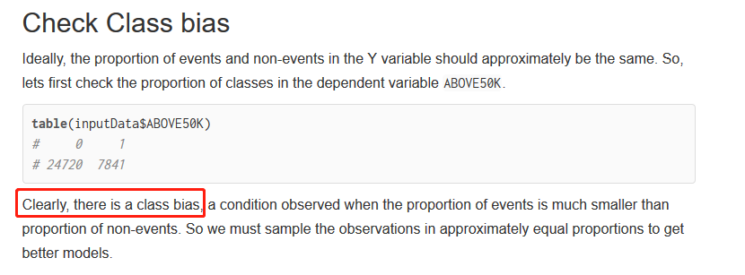
http://r-statistics.co/Logistic-Regression-With-R.html

Credit Rating Card
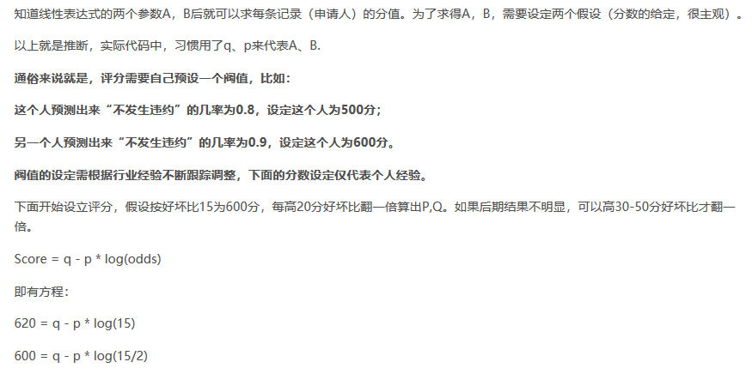
TCRP－《信贷风控评分卡简介》课程笔记
https://blog.csdn.net/Sinsa110/article/details/81195118

WOE信用评分卡（python+Excel实现法）
https://blog.csdn.net/simonchen198774/article/details/78857372

WOE信用评分卡--R语言实现
https://blog.csdn.net/qq_16365849/article/details/67632919

项目的具体流程

过程一：数据预处理，对所有数据进行去极值以及对数据的缺失值进行处理。
过程二：数据的拆分，将原始数据拆成验证集和训练集
过程三：对数据进行WOE离散化处理
过程四：检验离散化后的数据是否相关，从而决定是否进行降维处理
过程五：调整训练集的平衡性
过程六：训练模型，并使用验证集调整模型参数
过程七：将通过验证后的模型的权重提取出来，计算测试样本中每个客户的违约率
过程八：用验证集检验模型的有效性以及稳定性
过程九：通过客户违约率给客户进行打分

评分卡模型剖析之一（woe、IV、ROC、信息熵）
http://blog.sina.com.cn/s/blog_8813a3ae0102uyo3.html

